2020 STS Figure 8b(iia) Chart
Median Wealth
 | 1983 | 2016
All | $84,111 | $81,704
White | $110,160 | $146,984
Black | $7,323 | $3,557
Latino | $4,289 | $6,591

2020 STS Fig 8b(iib) Chart
Percent with Negative Wealth
 | 1983 | 2016
All | 16% | 21%
White | 11% | 16%
Black | 34% | 37%
Latino | 40% | 33%

2020 STS Fig 8b(ii) Data & Ima
STS Figure 8b(ii): Median family wealth and percent of families with negative wealth by race/ethnicity: 1983 and 2016

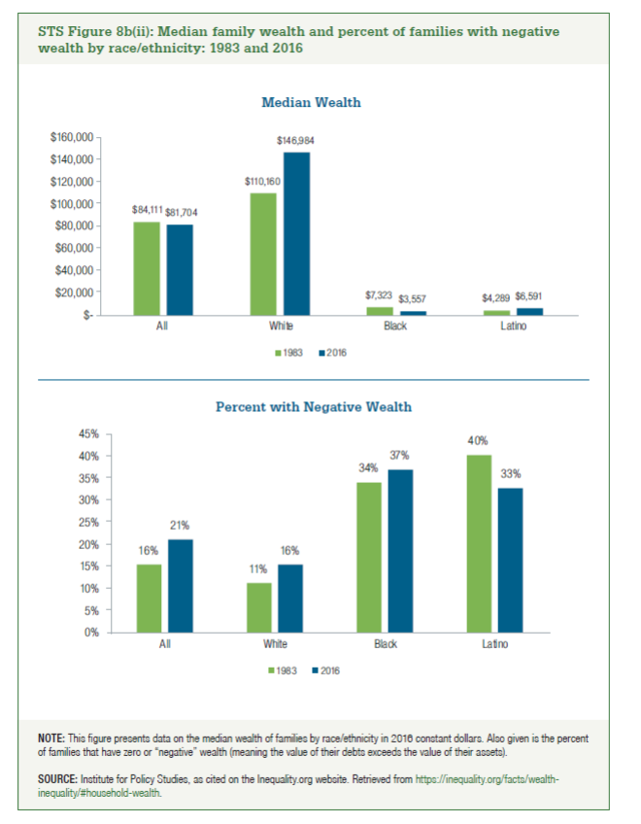
Median Wealth
 | 1983 | 2016
All | $84,111 | $81,704
White | $110,160 | $146,984
Black | $7,323 | $3,557
Latino | $4,289 | $6,591

Percent with Negative Wealth
 | 1983 | 2016
All | 16% | 21%
White | 11% | 16%
Black | 34% | 37%
Latino | 40% | 33%

