STS Fig 8b(i) Chart
 | Bottom 90% | Top 1% | Top 5%
1962 | 33% | 33% | 55%
1969 | 31% | 36% | 56%
1983 | 32% | 34% | 56%
1989 | 30% | 35% | 58%
1992 | 28% | 37% | 60%
1995 | 28% | 39% | 60%
1998 | 29% | 38% | 59%
2001 | 29% | 33% | 59%
2004 | 29% | 34% | 59%
2007 | 27% | 35% | 62%
2010 | 24% | 35% | 63%
2013 | 23% | 37% | 65%
2016 | 21% | 40% | 67%

2020 STS Fig 8b(i) Data & Chart
STS Figure 8b (i): Share of wealth held by top 5 percent, top 1 percent, and bottom 90 percent in United States: Selected Years, 1962 to 2016

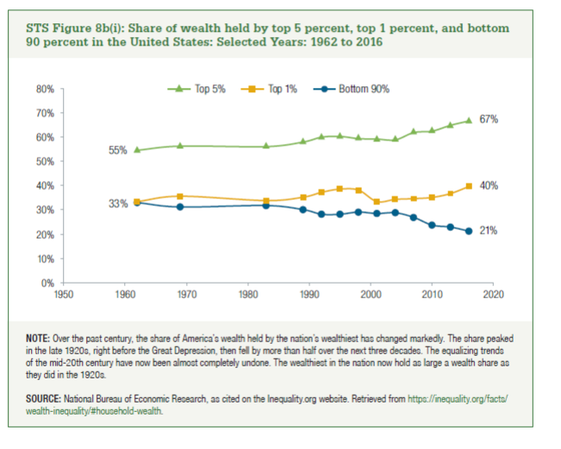

 | 1962 | 1969 | 1983 | 1989 | 1992 | 1995 | 1998 | 2001 | 2004 | 2007 | 2010 | 2013 | 2016
Bottom 90% | 33% | 31% | 32% | 30% | 28% | 28% | 29% | 29% | 29% | 27% | 24% | 23% | 21%
Top 1% | 33% | 36% | 34% | 35% | 37% | 39% | 38% | 33% | 34% | 35% | 35% | 37% | 40%
Top 5% | 55% | 56% | 56% | 58% | 60% | 60% | 59% | 59% | 59% | 62% | 63% | 65% | 67%

