2020 STS Fig 8a Chart
 | Market Income | Before Transfers and Taxes | Income After Transfers but Before Taxes | Income After Transfers and Taxes
1979 | 0.47 | 0.41 | 0.39 | 0.35
1980 | 0.48 | 0.42 | 0.39 | 0.36
1981 | 0.48 | 0.42 | 0.40 | 0.36
1982 | 0.49 | 0.43 | 0.40 | 0.37
1983 | 0.51 | 0.44 | 0.42 | 0.39
1984 | 0.51 | 0.44 | 0.42 | 0.40
1985 | 0.51 | 0.45 | 0.43 | 0.40
1986 | 0.53 | 0.47 | 0.45 | 0.43
1987 | 0.52 | 0.45 | 0.43 | 0.40
1988 | 0.53 | 0.47 | 0.45 | 0.42
1989 | 0.53 | 0.46 | 0.44 | 0.41
1990 | 0.52 | 0.46 | 0.43 | 0.40
1991 | 0.52 | 0.45 | 0.42 | 0.39
1992 | 0.53 | 0.46 | 0.43 | 0.40
1993 | 0.53 | 0.46 | 0.43 | 0.39
1994 | 0.53 | 0.46 | 0.43 | 0.39
1995 | 0.53 | 0.46 | 0.43 | 0.39
1996 | 0.54 | 0.47 | 0.45 | 0.41
1997 | 0.55 | 0.48 | 0.46 | 0.42
1998 | 0.55 | 0.49 | 0.46 | 0.42
1999 | 0.55 | 0.49 | 0.47 | 0.43
2000 | 0.56 | 0.50 | 0.48 | 0.44
2001 | 0.55 | 0.48 | 0.46 | 0.42
2002 | 0.55 | 0.47 | 0.45 | 0.41
2003 | 0.56 | 0.48 | 0.45 | 0.42
2004 | 0.57 | 0.50 | 0.47 | 0.43
2005 | 0.58 | 0.51 | 0.48 | 0.45
2006 | 0.58 | 0.52 | 0.49 | 0.45
2007 | 0.58 | 0.52 | 0.49 | 0.46
2008 | 0.58 | 0.50 | 0.47 | 0.43
2009 | 0.58 | 0.49 | 0.45 | 0.42
2010 | 0.58 | 0.50 | 0.46 | 0.42
2011 | 0.59 | 0.50 | 0.46 | 0.43
2012 | 0.61 | 0.52 | 0.49 | 0.45
2013 | 0.59 | 0.51 | 0.47 | 0.43
2014 | 0.60 | 0.52 | 0.48 | 0.44
2015 | 0.60 | 0.52 | 0.48 | 0.43
2016 | 0.59 | 0.51 | 0.47 | 0.42

2020 STS Fig 8a Data and Image
STS Figure 8a: Gini index based on market, before-tax, and after-tax income: 1979 to 2016

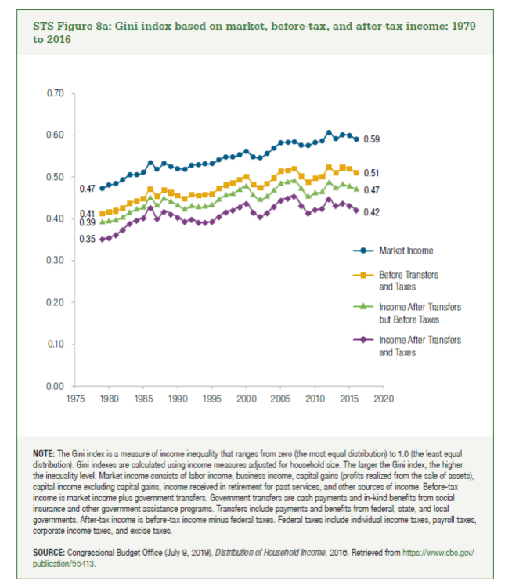
 | Market Income | Before Transfers and Taxes | Income After Transfers but Before Taxes | Income After Transfers and Taxes
1979 | 0.47 | 0.41 | 0.39 | 0.35
1980 | 0.48 | 0.42 | 0.39 | 0.36
1981 | 0.48 | 0.42 | 0.40 | 0.36
1982 | 0.49 | 0.43 | 0.40 | 0.37
1983 | 0.51 | 0.44 | 0.42 | 0.39
1984 | 0.51 | 0.44 | 0.42 | 0.40
1985 | 0.51 | 0.45 | 0.43 | 0.40
1986 | 0.53 | 0.47 | 0.45 | 0.43
1987 | 0.52 | 0.45 | 0.43 | 0.40
1988 | 0.53 | 0.47 | 0.45 | 0.42
1989 | 0.53 | 0.46 | 0.44 | 0.41
1990 | 0.52 | 0.46 | 0.43 | 0.40
1991 | 0.52 | 0.45 | 0.42 | 0.39
1992 | 0.53 | 0.46 | 0.43 | 0.40
1993 | 0.53 | 0.46 | 0.43 | 0.39
1994 | 0.53 | 0.46 | 0.43 | 0.39
1995 | 0.53 | 0.46 | 0.43 | 0.39
1996 | 0.54 | 0.47 | 0.45 | 0.41
1997 | 0.55 | 0.48 | 0.46 | 0.42
1998 | 0.55 | 0.49 | 0.46 | 0.42
1999 | 0.55 | 0.49 | 0.47 | 0.43
2000 | 0.56 | 0.50 | 0.48 | 0.44
2001 | 0.55 | 0.48 | 0.46 | 0.42
2002 | 0.55 | 0.47 | 0.45 | 0.41
2003 | 0.56 | 0.48 | 0.45 | 0.42
2004 | 0.57 | 0.50 | 0.47 | 0.43
2005 | 0.58 | 0.51 | 0.48 | 0.45
2006 | 0.58 | 0.52 | 0.49 | 0.45
2007 | 0.58 | 0.52 | 0.49 | 0.46
2008 | 0.58 | 0.50 | 0.47 | 0.43
2009 | 0.58 | 0.49 | 0.45 | 0.42
2010 | 0.58 | 0.50 | 0.46 | 0.42
2011 | 0.59 | 0.50 | 0.46 | 0.43
2012 | 0.61 | 0.52 | 0.49 | 0.45
2013 | 0.59 | 0.51 | 0.47 | 0.43
2014 | 0.60 | 0.52 | 0.48 | 0.44
2015 | 0.60 | 0.52 | 0.48 | 0.43
2016 | 0.59 | 0.51 | 0.47 | 0.42

