2020 STS 7c Chart
 | 2018 | 2005
West Virginia | 21% | 17%
Mississippi | 23% | 19%
Arkansas | 23% | 19%
Louisiana | 24% | 21%
Kentucky | 25% | 19%
Nevada | 25% | 21%
Alabama | 26% | 21%
Oklahoma | 26% | 23%
Wyoming | 27% | 23%
Indiana | 27% | 21%
Tennessee | 28% | 22%
Idaho | 28% | 23%
New Mexico | 28% | 25%
South Carolina | 28% | 23%
Iowa | 29% | 24%
Ohio | 29% | 23%
South Dakota | 29% | 25%
Missouri | 30% | 24%
Michigan | 30% | 25%
Arizona | 30% | 26%
North Dakota | 30% | 25%
Wisconsin | 30% | 25%
Alaska | 30% | 27%
Texas | 30% | 25%
Florida | 30% | 25%
Delaware | 31% | 28%
Maine | 32% | 26%
United States | 33% | 27%
Montana | 32% | 26%
Pennsylvania | 32% | 26%
Georgia | 32% | 27%
North Carolina | 32% | 25%
Nebraska | 32% | 27%
Hawaii | 34% | 28%
Kansas | 34% | 28%
Oregon | 34% | 28%
Rhode Island | 34% | 29%
California | 34% | 30%
Utah | 35% | 28%
Illinois | 35% | 29%
Minnesota | 37% | 31%
Washington | 37% | 30%
New Hampshire | 37% | 32%
New York | 37% | 31%
Vermont | 39% | 33%
Virginia | 39% | 33%
Connecticut | 40% | 35%
Maryland | 41% | 35%
New Jersey | 41% | 34%
Colorado | 42% | 36%
...

2020 STS 7c Data & Image
STS Figure 7c: Percentage of adults age 25 and over with a bachelor’s degree or higher: 2005 and 2018

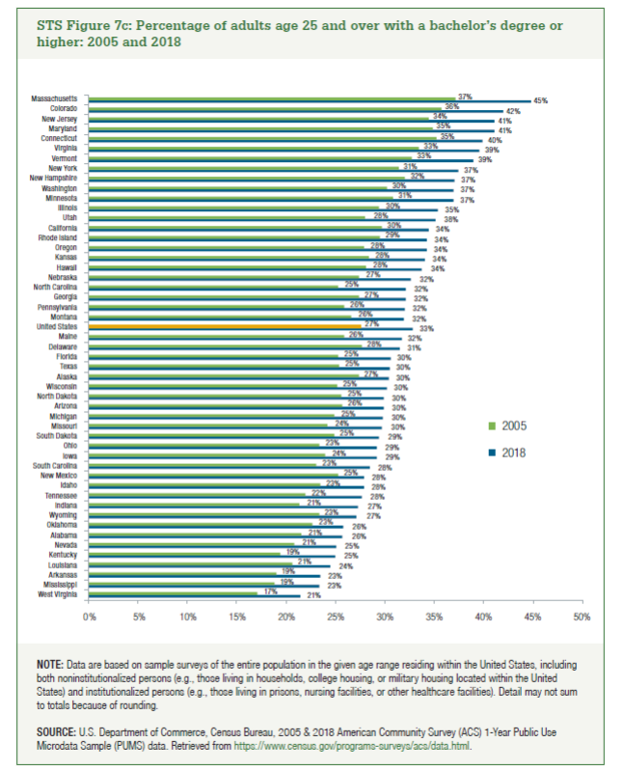
State | 2018 | 2005 | Percentage of Change
West Virginia | 21% | 17% | 25%
Mississippi | 23% | 19% | 24%
Arkansas | 23% | 19% | 23%
Louisiana | 24% | 21% | 19%
Kentucky | 25% | 19% | 28%
Nevada | 25% | 21% | 20%
Alabama | 26% | 21% | 19%
Oklahoma | 26% | 23% | 14%
Wyoming | 27% | 23% | 16%
Indiana | 27% | 21% | 28%
Tennessee | 28% | 22% | 26%
Idaho | 28% | 23% | 19%
New Mexico | 28% | 25% | 10%
South Carolina | 28% | 23% | 24%
Iowa | 29% | 24% | 22%
Ohio | 29% | 23% | 25%
South Dakota | 29% | 25% | 18%
Missouri | 30% | 24% | 23%
Michigan | 30% | 25% | 20%
Arizona | 30% | 26% | 16%
North Dakota | 30% | 25% | 17%
Wisconsin | 30% | 25% | 20%
Alaska | 30% | 27% | 11%
Texas | 30% | 25% | 20%
Florida | 30% | 25% | 21%
Delaware | 31% | 28% | 14%
Maine | 32% | 26% | 23%
United States | 33% | 27% | 20%
Montana | 32% | 26% | 20%
Pennsylvania | 32% | 26% | 24%
Georgia | 32% | 27% | 17%
North Carolina | 32% | 25% | 27%
Nebraska | 32% | 27% | 19%
Hawaii | 34% | 28% | 20%
Kansas | 34% | 28% | 20%
Oregon | 34% | 28% | 23%
Rhode Island | 34% | 29% | 16%
California | 34% | 30% | 16%
Utah | 35% | 28% | 26%
Illinois | 35% | 29% | 20%
Minnesota | 37% | 31% | 20%
Washington | 37% | 30% | 22%
New Hampshire | 37% | 32% | 16%
New York | 37% | 31% | 19%
Vermont | 39% | 33% | 19%
Virginia | 39% | 33% | 18%
Connecticut | 40% | 35% | 13%
Maryland | 41% | 35% | 18%
New Jersey | 41% | 34% | 19%
Colorado | 42% | 36% | 17%
Massachusetts | 45% | 37% | 21%

