2020 STS Fig 7b Chart
 | 2010 | 2017
Hispanic | 84% | 80%
Pacific Islander | 84% | 79%
American Indian/Alaska Native | 83% | 79%
Black | 80% | 74%
Two or More Races | 61% | 54%
Some Other Race | 61% | 57%
White | 55% | 48%
Asian | 38% | 32%
All | 65% | 59%

2020 STS Figure 7b Data & Image
STS Figure 7b: Percentage of children under 18 with the potential to be first-generation college by race/ethnicity: 2010 and 2017

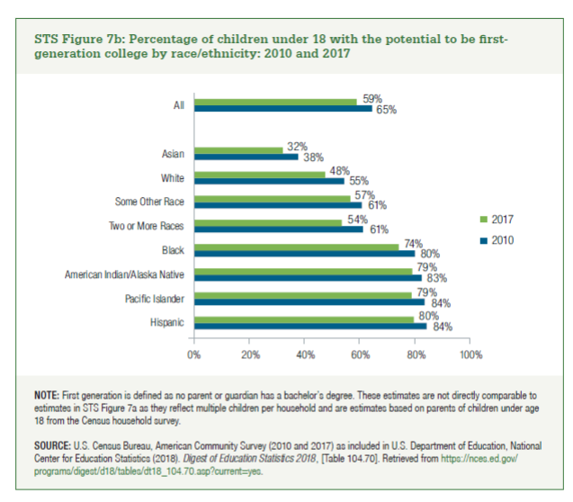
 | 2010 | 2017
Hispanic | 84% | 80%
Pacific Islander | 84% | 79%
American Indian/Alaska Native | 83% | 79%
Black | 80% | 74%
Two or More Races | 61% | 54%
Some Other Race | 61% | 57%
White | 55% | 48%
Asian | 38% | 32%

All | 65% | 59%

