2020 STS Figure 7a Chart
 | 1972 | 2002
Hispanic or Latino | 93% | 79%
American Indian or Alaska Native | 89% | 71%
Black or African American | 92% | 69%
More than One Race Reported |  | 63%
White Non-Hispanic | 77% | 57%
Asian | 78% | 48%
All | 79% | 62%

2020 STS Figure 7a Data & Image
STS Figure 7a: Percentage of high school students who had the potential to
be first-generation college by race/ethnicity: 1972 (National Longitudinal
Study of High School Class of 1972) and 2004 (Educational Longitudinal Study:
ELS:2002/2004)
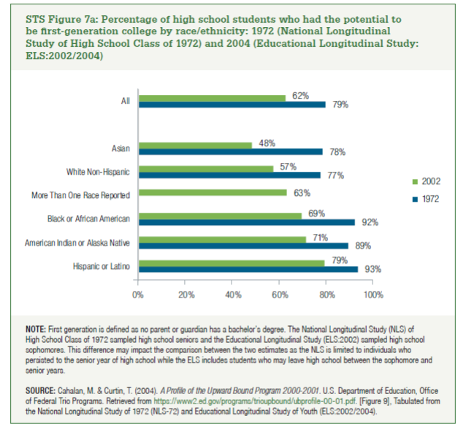
 | 1972 | 2002
Hispanic or Latino | 93% | 79%
American Indian or Alaska Native | 89% | 71%
Black or African American | 92% | 69%
More than One Race Reported |  | 63%
White Non-Hispanic | 77% | 57%
Asian | 78% | 48%

All | 79% | 62%

