2020 STS 6b Chart
 | 2019 | 1990
South Dakota | 23% | 35%
New Hampshire | 28% | 11%
North Dakota | 28% | 24%
Utah | 34% | 24%
Wyoming | 37% | 23%
Idaho | 39% | 29%
Minnesota | 39% | 23%
Vermont | 42% | 19%
Colorado | 43% | 27%
North Carolina | 43% | 33%
Washington | 43% | 24%
Montana | 44% | 27%
Maryland | 45% | 23%
Nebraska | 45% | 27%
Iowa | 45% | 23%
Virginia | 45% | 26%
Kansas | 45% | 26%
New Jersey | 46% | 22%
Rhode Island | 47% | 22%
Ohio | 47% | 24%
Massachusetts | 47% | 20%
Wisconsin | 48% | 22%
Maine | 48% | 23%
Indiana | 48% | 18%
Missouri | 49% | 29%
Oregon | 50% | 26%
Hawaii | 52% | 29%
Connecticut | 53% | 20%
Pennsylvania | 53% | 23%
Alaska | 54% | 25%
Michigan | 55% | 23%
New Mexico | 55% | 46%
Arizona | 57% | 37%
United States | 57% | 32%
Oklahoma | 57% | 35%
Delaware | 58% | 17%
Nevada | 60% | 19%
Arkansas | 60% | 33%
West Virginia | 60% | 37%
Georgia | 61% | 44%
Tennessee | 61% | 35%
South Carolina | 62% | 40%
California | 63% | 36%
Alabama | 63% | 43%
Illinois | 63% | 32%
Texas | 67% | 40%
District of Columbia | 71% | 44%
Florida | 71% | 38%
New York | 72% | 37%
Mississippi | 72% | 60%
...

2020 STS Figure 6b Data
STS Figure 6b: Percentage of K-12 students approved for free or reduced price lunch by state: 1990 and 2019

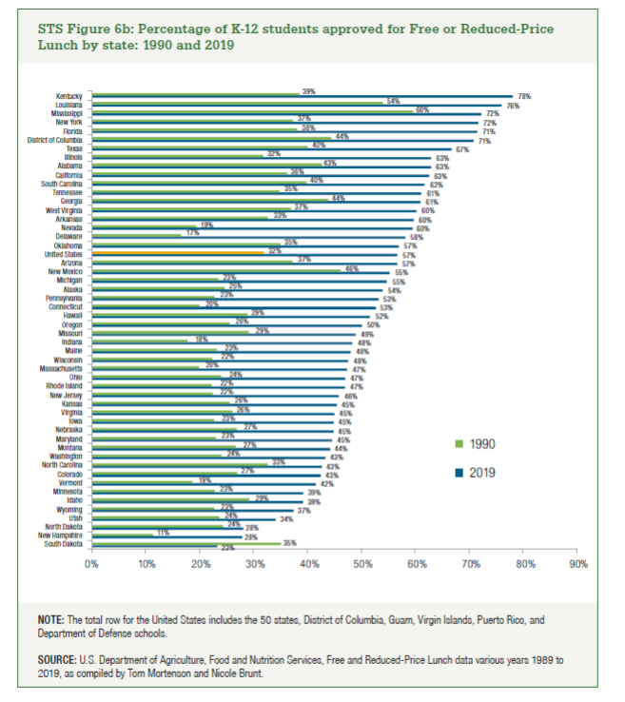
State | 2019 | 1990
South Dakota | 23% | 35%
New Hampshire | 28% | 11%
North Dakota | 28% | 24%
Utah | 34% | 24%
Wyoming | 37% | 23%
Idaho | 39% | 29%
Minnesota | 39% | 23%
Vermont | 42% | 19%
Colorado | 43% | 27%
North Carolina | 43% | 33%
Washington | 43% | 24%
Montana | 44% | 27%
Maryland | 45% | 23%
Nebraska | 45% | 27%
Iowa | 45% | 23%
Virginia | 45% | 26%
Kansas | 45% | 26%
New Jersey | 46% | 22%
Rhode Island | 47% | 22%
Ohio | 47% | 24%
Massachusetts | 47% | 20%
Wisconsin | 48% | 22%
Maine | 48% | 23%
Indiana | 48% | 18%
Missouri | 49% | 29%
Oregon | 50% | 26%
Hawaii | 52% | 29%
Connecticut | 53% | 20%
Pennsylvania | 53% | 23%
Alaska | 54% | 25%
Michigan | 55% | 23%
New Mexico | 55% | 46%
Arizona | 57% | 37%
United States | 57% | 32%
Oklahoma | 57% | 35%
Delaware | 58% | 17%
Nevada | 60% | 19%
Arkansas | 60% | 33%
West Virginia | 60% | 37%
Georgia | 61% | 44%
Tennessee | 61% | 35%
South Carolina | 62% | 40%
California | 63% | 36%
Alabama | 63% | 43%
Illinois | 63% | 32%
Texas | 67% | 40%
District of Columbia | 71% | 44%
Florida | 71% | 38%
New York | 72% | 37%
Mississippi | 72% | 60%
Louisiana | 76% | 54%
Kentucky | 78% | 39%

