2020 STS Fig6a Chart
 | K-12 Students Eligible for Free or Reduced-Price Lunch | First-Time Full-Time Undergraduate Students with Federal Grants
1989 | 31%
1990 | 32%
1991 | 33%
1992 | 35%
1993 | 37%
1994 | 38%
1995 | 39%
1996 | 40%
1997 | 40%
1998 | 40%
1999 | 40%
2000 | 40%
2001 | 40% | 0.31642365678
2002 | 41% | 0.33258569689
2003 | 41% | 0.34052190167
2004 | 43% | 0.3460780889
2005 | 45% | 0.35234606895
2006 | 45% | 0.33658303829
2007 | 45% | 0.32135813004
2008 | 46% | 0.35415078436
2009 | 48% | 0.36436760544
2010 | 50% | 0.46158030093
2011 | 51% | 0.47793758622
2012 | 53% | 0.47641222502
2013 | 53% | 0.45495602406
2014 | 53% | 0.45275699474
2015 | 55% | 0.445
2016 | 55% | 0.426
2017 | 56% | 0.423
2018 | 57% | 0.426
2019 | 57%

2020 STS Fig 6a Data & Image
STS Figure 6a: Percentage of K-12 students approved for Free or Reduced-Price Lunch (1989 to 2019) and percentage of first-time full-time degree-seeking undergraduates with Pell or other Federal Grants (2001 to 2018)

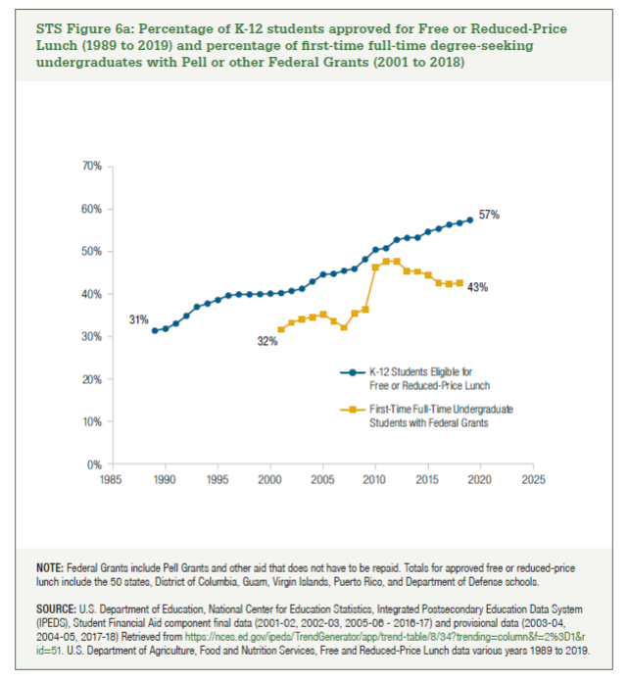
Year | K-12 Students Eligible for Free or Reduced-Price Lunch | First-Time Full-Time Undergraduate Students with Federal Grants
1989 | 31%
1990 | 32%
1991 | 33%
1992 | 35%
1993 | 37%
1994 | 38%
1995 | 39%
1996 | 40%
1997 | 40%
1998 | 40%
1999 | 40%
2000 | 40%
2001 | 40% | 32%
2002 | 41% | 33%
2003 | 41% | 34%
2004 | 43% | 35%
2005 | 45% | 35%
2006 | 45% | 34%
2007 | 45% | 32%
2008 | 46% | 35%
2009 | 48% | 36%
2010 | 50% | 46%
2011 | 51% | 48%
2012 | 53% | 48%
2013 | 53% | 45%
2014 | 53% | 45%
2015 | 55% | 45%
2016 | 55% | 43%
2017 | 56% | 42%
2018 | 57% | 43%
2019 | 57%

