2020 Indicator STS Fig 5b Chart
Most Competitive | 2%
Highly Competitive | 3%
Very Competitive | 8%
Competitive | 16%
Less Competitive | 5%
Noncompetitive | 2%
Special | 2%
4-Year Not Ranked (Public & Private Non-Profit) | 18%
2-Year (Public & Private Non-Profit) | 25%
Private For-Profit (all levels) | 19%

2020 Indicator STS Fig 5b Data
STS Figure 5b: Distribution of institutions by institutional competitiveness index: 2018

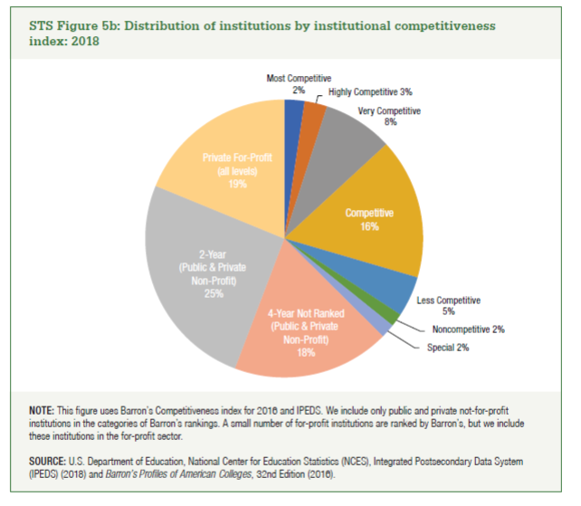
Most Competitive | 2%
Highly Competitive | 3%
Very Competitive | 8%
Competitive | 16%
Less Competitive | 5%
Noncompetitive | 2%
Special | 2%
4-Year Not Ranked (Public & Private Non-Profit) | 18%
2-Year (Public & Private Non-Profit) | 25%
Private For-Profit (all levels) | 19%

