2020 Indicator STS Fig 5a Chart
Most Competitive | 4%
Highly Competitive | 5%
Very Competitive | 13%
Competitive | 21%
Less Competitive | 4%
Noncompetitive | 2%
Special | 1%
4-Year Not Ranked (Public & Private Non-Profit) | 12%
2-Year (Public & Private Non-Profit) | 34%
Private For-Profit (all levels) | 4%

2020 Indicator STS Fig 5a Data
STS Figure 5a: Percentage distribution of total undergraduate enrollment by institutional competitiveness index: 2018

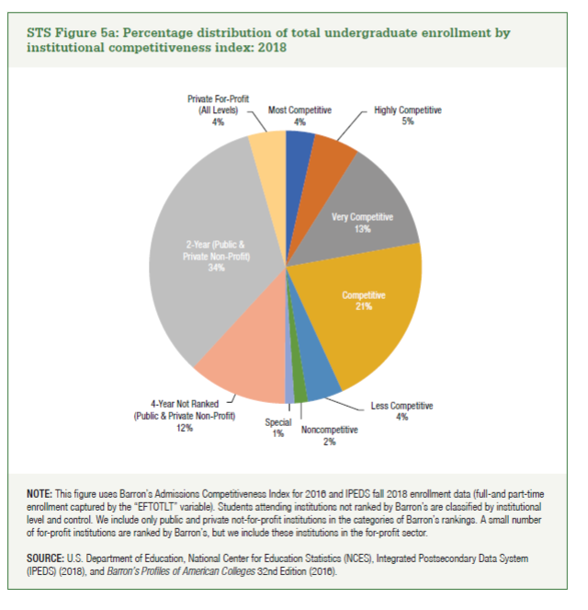
Most Competitive | 4%
Highly Competitive | 5%
Very Competitive | 13%
Competitive | 21%
Less Competitive | 4%
Noncompetitive | 2%
Special | 1%
4-Year Not Ranked (Public & Private Non-Profit) | 12%
2-Year (Public & Private Non-Profit) | 34%
Private For-Profit (all levels) | 4%

