2020 STS Figure 4 Chart
 | Public 4-Year | Public 2-Year | Private Non-Profit 4-Year | Private For-Profit 4-Year | Private For-Profit 2-Year | Private Non-Profit 2-Year
1975 | 41.3% | 39.6% | 17.6% | 0.2% | 0.2% | 1.2%
1980 | 39.3% | 41.3% | 17.3% | 0.2% | 0.8% | 1.1%
1985 | 39.7% | 40.3% | 17.2% | 0.4% | 1.4% | 1.0%
1990 | 39.4% | 41.8% | 16.3% | 0.4% | 1.3% | 0.7%
1995 | 37.8% | 43.1% | 16.6% | 0.7% | 1.1% | 0.6%
2000 | 36.8% | 43.3% | 16.4% | 1.6% | 1.5% | 0.4%
2005 | 36.8% | 41.3% | 15.9% | 3.9% | 1.7% | 0.3%
2010 | 35.9% | 39.9% | 14.5% | 7.2% | 2.4% | 0.2%
2014 | 39.6% | 37.0% | 15.9% | 5.7% | 1.7% | 0.2%
2015 | 40.7% | 36.5% | 16.3% | 5.0% | 1.3% | 0.3%
2016 | 43.3% | 34.6% | 16.4% | 4.2% | 1.2% | 0.3%
2017 | 44.1% | 34.0% | 16.5% | 3.9% | 1.1% | 0.3%

2020 STS Figure 4 Data & Image
STS Figure 4: Percentage distribution of undergraduate fall enrollment in degree-granting institutions by institution control and level: 1975 to 2017

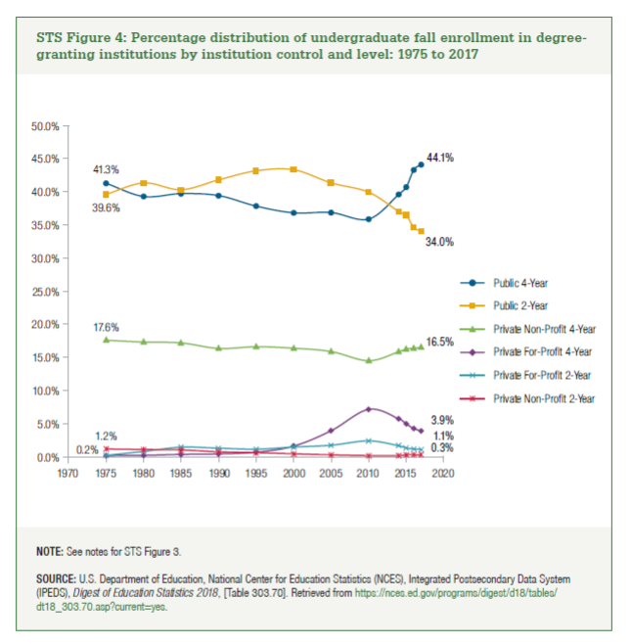
Year | Public 4-Year | Public 2-Year | Private Non-Profit 4-Year | Private For-Profit 4-Year | Private For-Profit 2-Year | Private Non-Profit 2-Year
1975 | 41.3% | 39.6% | 17.6% | 0.2% | 0.2% | 1.2%
1980 | 39.3% | 41.3% | 17.3% | 0.2% | 0.8% | 1.1%
1985 | 39.7% | 40.3% | 17.2% | 0.4% | 1.4% | 1.0%
1990 | 39.4% | 41.8% | 16.3% | 0.4% | 1.3% | 0.7%
1995 | 37.8% | 43.1% | 16.6% | 0.7% | 1.1% | 0.6%
2000 | 36.8% | 43.3% | 16.4% | 1.6% | 1.5% | 0.4%
2005 | 36.8% | 41.3% | 15.9% | 3.9% | 1.7% | 0.3%
2010 | 35.9% | 39.9% | 14.5% | 7.2% | 2.4% | 0.2%
2014 | 39.6% | 37.0% | 15.9% | 5.7% | 1.7% | 0.2%
2015 | 40.7% | 36.5% | 16.3% | 5.0% | 1.3% | 0.3%
2016 | 43.3% | 34.6% | 16.4% | 4.2% | 1.2% | 0.3%
2017 | 44.1% | 34.0% | 16.5% | 3.9% | 1.1% | 0.3%

