2020 STS Figure 3 Chart
 | Total | Public | Private Non-Profit | Private For-Profit
1975 | 9,679,455 | 7,826,032 | 1,814,844 | 38,579
1980 | 10,475,055 | 8,441,955 | 1,926,703 | 106,397
1981 | 10,754,522 | 8,648,363 | 1,958,848 | 147,311
1982 | 10,825,062 | 8,713,073 | 1,939,389 | 172,600
1983 | 10,845,995 | 8,697,118 | 1,961,076 | 187,801
1984 | 10,618,071 | 8,493,491 | 1,940,310 | 184,270
1985 | 10,596,674 | 8,477,125 | 1,928,996 | 190,553
1986 | 10,797,975 | 8,660,716 | 1,928,294 | 208,965
1987 | 11,046,235 | 8,918,589 | 1,939,942 | 187,704
1988 | 11,316,548 | 9,103,146
1989 | 11,742,531 | 9,487,742
1990 | 11,959,106 | 9,709,596 | 2,043,407 | 206,103
1991 | 12,439,287 | 10,147,957 | 2,072,354 | 218,976
1992 | 12,537,700 | 10,216,297 | 2,101,721 | 219,682
1993 | 12,323,959 | 10,011,787 | 2,099,197 | 212,975
1994 | 12,262,608 | 9,945,128 | 2,100,465 | 217,015
1995 | 12,231,719 | 9,903,626 | 2,104,693 | 223,400
1996 | 12,326,948 | 9,935,283 | 2,112,318 | 279,347
1997 | 12,450,587 | 10,007,479 | 2,139,824 | 303,284
1998 | 12,436,937 | 9,950,212 | 2,152,655 | 334,070
1999 | 12,739,445 | 10,174,228 | 2,185,290 | 379,927
2000 | 13,155,393 | 10,539,322 | 2,213,180 | 402,891
2001 | 13,715,610 | 10,985,871 | 2,257,718 | 472,021
2002 | 14,257,077 | 11,432,855 | 2,306,091 | 518,131
2003 | 14,480,364 | 11,523,103 | 2,346,673 | 610,588
2004 | 14,780,630 | 11,650,580 | 2,389,366 | 740,684
2005 | 14,963,964 | 11,697,730 | 2,418,368 | 847,866
2006 | 15,179,591 | 11,842,625 | 2,448,250 | 888,716
2007 | 15,613,540 | 12,147,744 | 2,470,463 | 995,333
2008 | 16,344,592 | 12,589,947 | 2,535,789 | 1,218,856
2009 | 17,464,179 | 13,386,375 | 2,595,171 | 1,482,633
2010 | 18,082,427 | 13,703,000 | 2,652,993 | 1,726,434
2011 | 18,077,303 | 13,694,899 | 2,718,923 | 1,663,481
2012 | 17,735,638 | 13,478,100 | 2,744,400 | 1,513,138
2013 | 17,476,304 | 13,348,292 | 2,755,463 | 1,372,549
2014 | 17,294,136 | 13,244,533 | 2,772,065 | 1,277,538
2015 | 17,046,673 | 13,150,823 | 2,822,122 | 1,073,728
2016 | 16,874,649 | 13,143,979 | 2,813,742 | 916,928
2017 | 16,760,331 | 13,100,953 | 2,817,017 | 842,361
2018 | 16,813,000 | 13,144,000
2019 | 16,877,000 | 13,195,000
2020 | 16,897,000 | 13,213,000

2020 STS Fig 3 Data & Image
STS Figure 3: Undergraduate fall enrollment in degree-granting institutions by institutional control: Fall 1975 to 2017, and for total and public institutions projected to Fall 2020

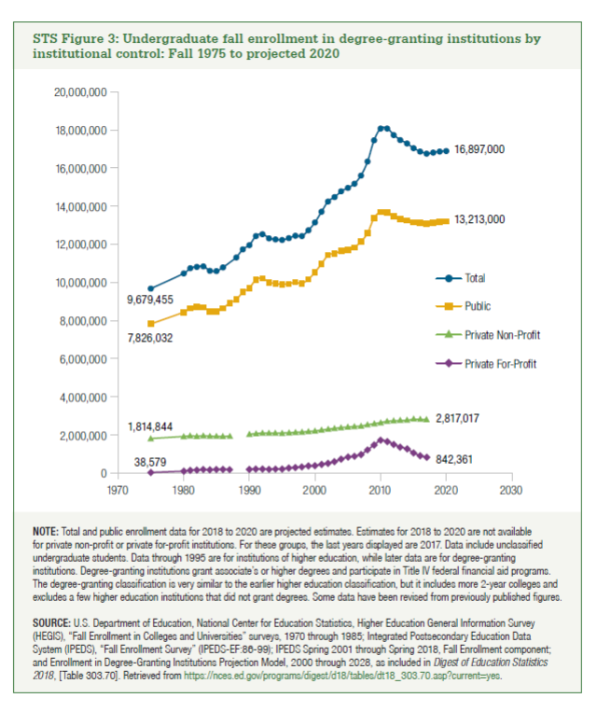
Year | Total | Public | Private Non-Profit | Private For-Profit
1975 | 9,679,455 | 7,826,032 | 1,814,844 | 38,579
1980 | 10,475,055 | 8,441,955 | 1,926,703 | 106,397
1981 | 10,754,522 | 8,648,363 | 1,958,848 | 147,311
1982 | 10,825,062 | 8,713,073 | 1,939,389 | 172,600
1983 | 10,845,995 | 8,697,118 | 1,961,076 | 187,801
1984 | 10,618,071 | 8,493,491 | 1,940,310 | 184,270
1985 | 10,596,674 | 8,477,125 | 1,928,996 | 190,553
1986 | 10,797,975 | 8,660,716 | 1,928,294 | 208,965
1987 | 11,046,235 | 8,918,589 | 1,939,942 | 187,704
1988 | 11,316,548 | 9,103,146
1989 | 11,742,531 | 9,487,742
1990 | 11,959,106 | 9,709,596 | 2,043,407 | 206,103
1991 | 12,439,287 | 10,147,957 | 2,072,354 | 218,976
1992 | 12,537,700 | 10,216,297 | 2,101,721 | 219,682
1993 | 12,323,959 | 10,011,787 | 2,099,197 | 212,975
1994 | 12,262,608 | 9,945,128 | 2,100,465 | 217,015
1995 | 12,231,719 | 9,903,626 | 2,104,693 | 223,400
1996 | 12,326,948 | 9,935,283 | 2,112,318 | 279,347
1997 | 12,450,587 | 10,007,479 | 2,139,824 | 303,284
1998 | 12,436,937 | 9,950,212 | 2,152,655 | 334,070
1999 | 12,739,445 | 10,174,228 | 2,185,290 | 379,927
2000 | 13,155,393 | 10,539,322 | 2,213,180 | 402,891
2001 | 13,715,610 | 10,985,871 | 2,257,718 | 472,021
2002 | 14,257,077 | 11,432,855 | 2,306,091 | 518,131
2003 | 14,480,364 | 11,523,103 | 2,346,673 | 610,588
2004 | 14,780,630 | 11,650,580 | 2,389,366 | 740,684
2005 | 14,963,964 | 11,697,730 | 2,418,368 | 847,866
2006 | 15,179,591 | 11,842,625 | 2,448,250 | 888,716
2007 | 15,613,540 | 12,147,744 | 2,470,463 | 995,333
2008 | 16,344,592 | 12,589,947 | 2,535,789 | 1,218,856
2009 | 17,464,179 | 13,386,375 | 2,595,171 | 1,482,633
2010 | 18,082,427 | 13,703,000 | 2,652,993 | 1,726,434
2011 | 18,077,303 | 13,694,899 | 2,718,923 | 1,663,481
2012 | 17,735,638 | 13,478,100 | 2,744,400 | 1,513,138
2013 | 17,476,304 | 13,348,292 | 2,755,463 | 1,372,549
2014 | 17,294,136 | 13,244,533 | 2,772,065 | 1,277,538
2015 | 17,046,673 | 13,150,823 | 2,822,122 | 1,073,728
2016 | 16,874,649 | 13,143,979 | 2,813,742 | 916,928
2017 | 16,760,331 | 13,100,953 | 2,817,017 | 842,361
2018 | 16,813,000 | 13,144,000
2019 | 16,877,000 | 13,195,000
2020 | 16,897,000 | 13,213,000

