2020 STS Figure 2 Chart
 | Private Non-Profit | Public | Private For-Profit
1975 |  | 1,433
1976 |  | 1,442
1977 | 1,536 | 1,455 | 55
1978 |  | 1,473
1979 | 1,564 | 1,474 | 96
1980 |  | 1,475
1981 | 1,569 | 1,497 | 165
1982 |  | 1,498
1983 |  | 1,493
1984 |  | 1,481
1985 | 1,616 | 1,501 | 214
1986 |  | 1,498
1987 | 1,635 | 1,533 | 238
1988 | 1,673 | 1,591 | 323
1989 | 1,658 | 1,582 | 325
1990 | 1,656 | 1,563 | 316
1991 | 1,649 | 1,567 | 343
1992 | 1,662 | 1,598 | 341
1993 | 1,672 | 1,624 | 342
1994 | 1,687 | 1,625 | 320
1995 | 1,702 | 1,641 | 345
1996 | 1,706 | 1,655 | 345
1997 | 1,693 | 1,702 | 614
1998 | 1,707 | 1,707 | 650
1999 | 1,695 | 1,681 | 672
2000 | 1,681 | 1,682 | 721
2001 | 1,695 | 1,698 | 789
2002 | 1,676 | 1,713 | 808
2003 | 1,665 | 1,712 | 791
2004 | 1,664 | 1,720 | 852
2005 | 1,637 | 1,700 | 879
2006 | 1,647 | 1,693 | 936
2007 | 1,640 | 1,688 | 986
2008 | 1,624 | 1,685 | 1,043
2009 | 1,629 | 1,676 | 1,104
2010 | 1,624 | 1,672 | 1,199
2011 | 1,630 | 1,656 | 1,313
2012 | 1,653 | 1,649 | 1,404
2013 | 1,652 | 1,623 | 1,451
2014 | 1,675 | 1,625 | 1,424
2015 | 1,672 | 1,621 | 1,334
2016 | 1,701 | 1,620 | 1,262
2017 | 1,682 | 1,623 | 1,055
2018 | 1,689 | 1,626 | 998

2020 STS Figure 2 Data & Image
STS Figure 2: Number of degree-granting Title IV institutions in the United States by control: 1974-75 to 2017-18

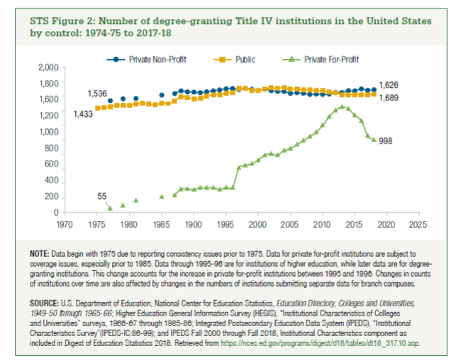
Year | Private Non-Profit | Public | Private For-Profit
1975 |  | 1,433
1976 |  | 1,442
1977 | 1,536 | 1,455 | 55
1978 |  | 1,473
1979 | 1,564 | 1,474 | 96
1980 |  | 1,475
1981 | 1,569 | 1,497 | 165
1982 |  | 1,498
1983 |  | 1,493
1984 |  | 1,481
1985 | 1,616 | 1,501 | 214
1986 |  | 1,498
1987 | 1,635 | 1,533 | 238
1988 | 1,673 | 1,591 | 323
1989 | 1,658 | 1,582 | 325
1990 | 1,656 | 1,563 | 316
1991 | 1,649 | 1,567 | 343
1992 | 1,662 | 1,598 | 341
1993 | 1,672 | 1,624 | 342
1994 | 1,687 | 1,625 | 320
1995 | 1,702 | 1,641 | 345
1996 | 1,706 | 1,655 | 345
1997 | 1,693 | 1,702 | 614
1998 | 1,707 | 1,707 | 650
1999 | 1,695 | 1,681 | 672
2000 | 1,681 | 1,682 | 721
2001 | 1,695 | 1,698 | 789
2002 | 1,676 | 1,713 | 808
2003 | 1,665 | 1,712 | 791
2004 | 1,664 | 1,720 | 852
2005 | 1,637 | 1,700 | 879
2006 | 1,647 | 1,693 | 936
2007 | 1,640 | 1,688 | 986
2008 | 1,624 | 1,685 | 1,043
2009 | 1,629 | 1,676 | 1,104
2010 | 1,624 | 1,672 | 1,199
2011 | 1,630 | 1,656 | 1,313
2012 | 1,653 | 1,649 | 1,404
2013 | 1,652 | 1,623 | 1,451
2014 | 1,675 | 1,625 | 1,424
2015 | 1,672 | 1,621 | 1,334
2016 | 1,701 | 1,620 | 1,262
2017 | 1,682 | 1,623 | 1,055
2018 | 1,689 | 1,626 | 998

 | Total |  | Private Non-proft 4-year | Private Non-profit 2-year
 | 4,313 |  | 1,590 | 99
 |  |  | 36.865290981 | 2.2953860422

