2020 STS Figure 1 Chart
 | 4-year | 2-year | Total
1975 | 1,866 | 1,138 | 3,004
1976 | 1,898 | 1,128 | 3,026
1977 | 1,913 | 1,133 | 3,046
1978 | 1,938 | 1,157 | 3,095
1979 | 1,941 | 1,193 | 3,134
1980 | 1,957 | 1,195 | 3,152
1981 | 1,957 | 1,274 | 3,231
1982 | 1,979 | 1,274 | 3,253
1983 | 1,984 | 1,296 | 3,280
1984 | 2,013 | 1,271 | 3,284
1985 | 2,025 | 1,306 | 3,331
1986 | 2,029 | 1,311 | 3,340
1987 | 2,070 | 1,336 | 3,406
1988 | 2,135 | 1,452 | 3,587
1989 | 2,129 | 1,436 | 3,565
1990 | 2,127 | 1,408 | 3,535
1991 | 2,141 | 1,418 | 3,559
1992 | 2,157 | 1,444 | 3,601
1993 | 2,169 | 1,469 | 3,638
1994 | 2,190 | 1,442 | 3,632
1995 | 2,215 | 1,473 | 3,688
1996 | 2,244 | 1,462 | 3,706
1997 | 2,267 | 1,742 | 4,009
1998 | 2,309 | 1,755 | 4,064
1999 | 2,335 | 1,713 | 4,048
2000 | 2,363 | 1,721 | 4,084
2001 | 2,450 | 1,732 | 4,182
2002 | 2,487 | 1,710 | 4,197
2003 | 2,466 | 1,702 | 4,168
2004 | 2,530 | 1,706 | 4,236
2005 | 2,533 | 1,683 | 4,216
2006 | 2,582 | 1,694 | 4,276
2007 | 2,629 | 1,685 | 4,314
2008 | 2,675 | 1,677 | 4,352
2009 | 2,719 | 1,690 | 4,409
2010 | 2,774 | 1,721 | 4,495
2011 | 2,870 | 1,729 | 4,599
2012 | 2,968 | 1,738 | 4,706
2013 | 3,026 | 1,700 | 4,726
2014 | 3,039 | 1,685 | 4,724
2015 | 3,011 | 1,616 | 4,627
2016 | 3,004 | 1,579 | 4,583
2017 | 2,832 | 1,528 | 4,360
2018 | 2,828 | 1,485 | 4,313

2020 STS Figure 1 Data&Image
STS Figure 1: Number of degree-granting Title IV institutions in the United States by level: 1974-75 to 2017-2018

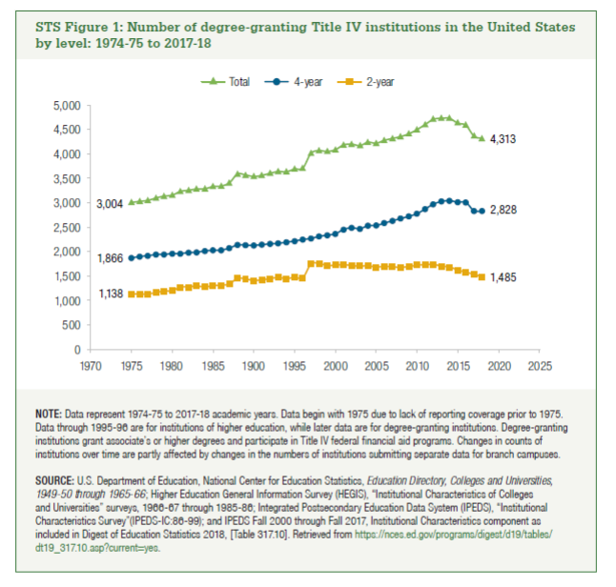

Year | 4-year | 2-year | Total
1975 | 1,866 | 1,138 | 3,004
1976 | 1,898 | 1,128 | 3,026
1977 | 1,913 | 1,133 | 3,046
1978 | 1,938 | 1,157 | 3,095
1979 | 1,941 | 1,193 | 3,134
1980 | 1,957 | 1,195 | 3,152
1981 | 1,957 | 1,274 | 3,231
1982 | 1,979 | 1,274 | 3,253
1983 | 1,984 | 1,296 | 3,280
1984 | 2,013 | 1,271 | 3,284
1985 | 2,025 | 1,306 | 3,331
1986 | 2,029 | 1,311 | 3,340
1987 | 2,070 | 1,336 | 3,406
1988 | 2,135 | 1,452 | 3,587
1989 | 2,129 | 1,436 | 3,565
1990 | 2,127 | 1,408 | 3,535
1991 | 2,141 | 1,418 | 3,559
1992 | 2,157 | 1,444 | 3,601
1993 | 2,169 | 1,469 | 3,638
1994 | 2,190 | 1,442 | 3,632
1995 | 2,215 | 1,473 | 3,688
1996 | 2,244 | 1,462 | 3,706
1997 | 2,267 | 1,742 | 4,009
1998 | 2,309 | 1,755 | 4,064
1999 | 2,335 | 1,713 | 4,048
2000 | 2,363 | 1,721 | 4,084
2001 | 2,450 | 1,732 | 4,182
2002 | 2,487 | 1,710 | 4,197
2003 | 2,466 | 1,702 | 4,168
2004 | 2,530 | 1,706 | 4,236
2005 | 2,533 | 1,683 | 4,216
2006 | 2,582 | 1,694 | 4,276
2007 | 2,629 | 1,685 | 4,314
2008 | 2,675 | 1,677 | 4,352
2009 | 2,719 | 1,690 | 4,409
2010 | 2,774 | 1,721 | 4,495
2011 | 2,870 | 1,729 | 4,599
2012 | 2,968 | 1,738 | 4,706
2013 | 3,026 | 1,700 | 4,726
2014 | 3,039 | 1,685 | 4,724
2015 | 3,011 | 1,616 | 4,627
2016 | 3,004 | 1,579 | 4,583
2017 | 2,832 | 1,528 | 4,360
2018 | 2,828 | 1,485 | 4,313

