2020 Indicator 6b Chart
 | 2018 | 2000
South Africa | 5%
India | 14%
Indonesia | 16%
China | 18%
Brazil | 21%
Mexico | 23% | 0.15285856701
Italy | 28% | 0.11754972812
Costa Rica | 28%
Colombia | 29%
Hungary | 31% | 0.14652582777
Germany | 32% | 0.13542764103
Turkey | 33% | 0.10229052467
Czech Republic | 33% | 0.11277210606
Portugal | 35% | 0.10556372493
Slovak Republic | 37% | 0.11228550112
Argentina | 40%
Austria | 40% | 0.071484804563
Slovenia | 41%
Finland | 41% | 0.18042108499
Latvia | 42%
Greece | 43% | 0.16556041114
Poland | 43% | 0.15198336892
Estonia | 44%
Spain | 44% | 0.23900993617
Denmark | 45% | 0.10690652539
New Zealand | 46% | 0.16910759617
OECD average | 47% | 0.26
France | 47% | 0.17537563017
Iceland | 47% | 0.21090574431
Belgium | 47% | 0.16700827562
Sweden | 48% | 0.19733893361
Netherlands | 48% | 0.24
Israel | 48%
Norway | 48% | 0.32048268531
United States | 49% | 0.2986442704
United Kingdom | 51% | 0.21
Switzerland | 51% | 0.15880682435
Australia | 51% | 0.2385751631
Luxembourg | 55% | 0.15129921943
Lithuania | 56%
Ireland | 56% | 0.19773725093
Japan | 60% | 0.24
Canada | 62% | 0.25144347178
Russian Federation | 63%
Korea | 70% | 0.24994592102

2020 Indicator 6b Data&Image
Equity Indicator 6b: Percentage of 25- to 34-year olds with a type A (bachelor’s or above) or type B (short-cycle or associate’s) tertiary degree: 2000 and 2018

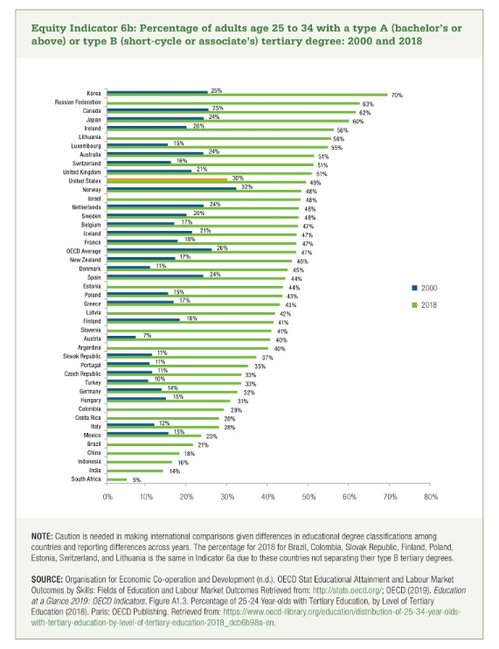
 | 2018 | 2000
South Africa | 5%
India | 14%
Indonesia | 16%
China | 18%
Brazil | 21%
Mexico | 23% | 15%
Italy | 28% | 12%
Costa Rica | 28%
Colombia | 29%
Hungary | 31% | 15%
Germany | 32% | 14%
Turkey | 33% | 10%
Czech Republic | 33% | 11%
Portugal | 35% | 11%
Slovak Republic | 37% | 11%
Argentina | 40%
Austria | 40% | 7%
Slovenia | 41%
Finland | 41% | 18%
Latvia | 42%
Greece | 43% | 17%
Poland | 43% | 15%
Estonia | 44%
Spain | 44% | 24%
Denmark | 45% | 11%
New Zealand | 46% | 17%
OECD average | 47% | 26%
France | 47% | 18%
Iceland | 47% | 21%
Belgium | 47% | 17%
Sweden | 48% | 20%
Netherlands | 48% | 24%
Israel | 48%
Norway | 48% | 32%
United States | 49% | 30%
United Kingdom | 51% | 21%
Switzerland | 51% | 16%
Australia | 51% | 24%
Luxembourg | 55% | 15%
Lithuania | 56%
Ireland | 56% | 20%
Japan | 60% | 24%
Canada | 62% | 25%
Russian Federation | 63%
Korea | 70% | 25%

