2020 Indi 6a Chart
 | 2018 | 2000
South Africa | 5%
China | 8%
Indonesia | 12%
India | 13%
Costa Rica | 19%
Brazil | 21%
Mexico | 23% | 15%
Chile | 24%
Turkey | 24% | 10%
Austria | 25% | 7%
Argentina | 27%
Hungary | 28% | 15%
Italy | 28% | 12%
Colombia | 29%
Spain | 31% | 24%
Germany | 32% | 14%
Czech Republic | 33% | 11%
France | 33% | 18%
Slovenia | 34%
Latvia | 35%
Portugal | 35% | 11%
Israel | 36%
Norway | 36% | 32%
Canada | 37% | 25%
Slovak Republic | 37% | 11%
Sweden | 37% | 20%
OECD average | 39% | 18%
United States | 39% | 30%
Japan | 40% | 24%
Denmark | 40% | 11%
Russian Federation | 40%
Australia | 41% | 24%
Finland | 41% | 18%
Greece | 41% | 17%
New Zealand | 42% | 17%
Poland | 43% | 15%
Estonia | 44%
United Kingdom | 44% | 21%
Iceland | 46% | 21%
Netherlands | 46% | 24%
Belgium | 47% | 17%
Korea | 49% | 25%
Ireland | 51% | 20%
Switzerland | 51% | 16%
Luxembourg | 52% | 15%
Lithuania | 56%

2020 Indi 6a Data&Image
Equity Indicator 6a: Percentage of adults age 25 to 34 with a type A (equivalent of bachelor’s degree or above) tertiary degree: 2000 and 2018

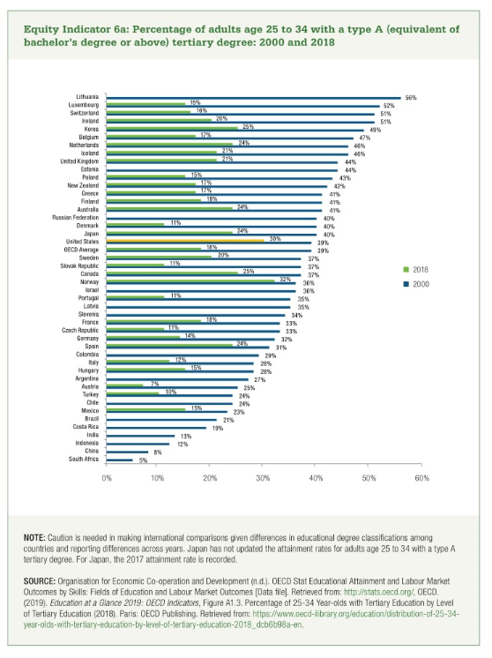
Countries | 2018 | 2000
South Africa | 5%
China | 8%
Indonesia | 12%
India | 13%
Costa Rica | 19%
Brazil | 21%
Mexico | 23% | 15%
Chile | 24%
Turkey | 24% | 10%
Austria | 25% | 7%
Argentina | 27%
Hungary | 28% | 15%
Italy | 28% | 12%
Colombia | 29%
Spain | 31% | 24%
Germany | 32% | 14%
Czech Republic | 33% | 11%
France | 33% | 18%
Slovenia | 34%
Latvia | 35%
Portugal | 35% | 11%
Israel | 36%
Norway | 36% | 32%
Canada | 37% | 25%
Slovak Republic | 37% | 11%
Sweden | 37% | 20%
OECD average | 39% | 18%
United States | 39% | 30%
Japan | 40% | 24%
Denmark | 40% | 11%
Russian Federation | 40%
Australia | 41% | 24%
Finland | 41% | 18%
Greece | 41% | 17%
New Zealand | 42% | 17%
Poland | 43% | 15%
Estonia | 44%
United Kingdom | 44% | 21%
Iceland | 46% | 21%
Netherlands | 46% | 24%
Belgium | 47% | 17%
Korea | 49% | 25%
Ireland | 51% | 20%
Switzerland | 51% | 16%
Luxembourg | 52% | 15%
Lithuania | 56%

