2020 Indi 5(v) Chart
 | 2005 | 2018
New Mexico | 20% | 23%
Nevada | 19% | 23%
Mississippi | 21% | 24%
Arkansas | 21% | 26%
Oklahoma | 23% | 26%
West Virginia | 21% | 27%
Alaska | 23% | 27%
Alabama | 24% | 27%
Louisiana | 23% | 27%
Wyoming | 21% | 27%
Idaho | 22% | 28%
Kentucky | 23% | 29%
Arizona | 24% | 29%
South Carolina | 24% | 31%
Indiana | 25% | 31%
Florida | 26% | 31%
Tennessee | 25% | 31%
Texas | 24% | 31%
Hawaii | 27% | 32%
Montana | 27% | 32%
Delaware | 32% | 33%
Georgia | 30% | 33%
Michigan | 28% | 34%
Ohio | 28% | 34%
Utah | 27% | 34%
Iowa | 31% | 34%
North Carolina | 28% | 34%
Missouri | 28% | 35%
South Dakota | 29% | 35%
Wisconsin | 30% | 35%
Oregon | 29% | 35%
North Dakota | 32% | 36%
United States | 30% | 36%
Maine | 26% | 36%
California | 29% | 37%
Kansas | 31% | 38%
Nebraska | 33% | 39%
New Hampshire | 34% | 39%
Rhode Island | 34% | 39%
Washington | 30% | 39%
Pennsylvania | 34% | 40%
Virginia | 36% | 42%
Illinois | 34% | 42%
Colorado | 36% | 43%
Minnesota | 36% | 43%
Maryland | 37% | 43%
Connecticut | 39% | 43%
Vermont | 35% | 46%
New York | 39% | 46%
New Jersey | 40% | 47%
...

2020 Indi 5f(v) Data& Image
Equity Indicator 5f(v): Percentage of population age 25 to 34 who had attained a bachelor’s degree by state: 2005 and 2018

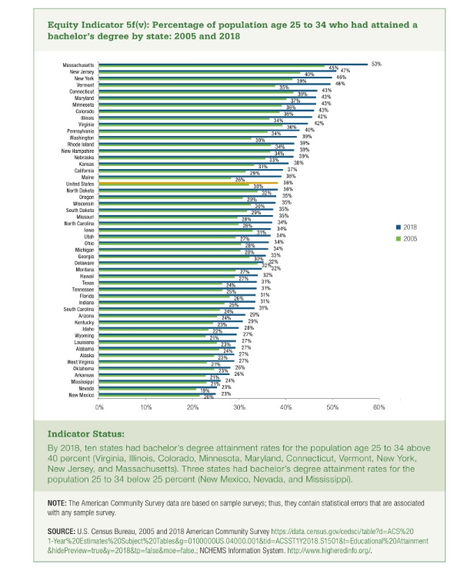
 | 2005 | 2018
New Mexico | 20% | 23%
Nevada | 19% | 23%
Mississippi | 21% | 24%
Arkansas | 21% | 26%
Oklahoma | 23% | 26%
West Virginia | 21% | 27%
Alaska | 23% | 27%
Alabama | 24% | 27%
Louisiana | 23% | 27%
Wyoming | 21% | 27%
Idaho | 22% | 28%
Kentucky | 23% | 29%
Arizona | 24% | 29%
South Carolina | 24% | 31%
Indiana | 25% | 31%
Florida | 26% | 31%
Tennessee | 25% | 31%
Texas | 24% | 31%
Hawaii | 27% | 32%
Montana | 27% | 32%
Delaware | 32% | 33%
Georgia | 30% | 33%
Michigan | 28% | 34%
Ohio | 28% | 34%
Utah | 27% | 34%
Iowa | 31% | 34%
North Carolina | 28% | 34%
Missouri | 28% | 35%
South Dakota | 29% | 35%
Wisconsin | 30% | 35%
Oregon | 29% | 35%
North Dakota | 32% | 36%
United States | 30% | 36%
Maine | 26% | 36%
California | 29% | 37%
Kansas | 31% | 38%
Nebraska | 33% | 39%
New Hampshire | 34% | 39%
Rhode Island | 34% | 39%
Washington | 30% | 39%
Pennsylvania | 34% | 40%
Virginia | 36% | 42%
Illinois | 34% | 42%
Colorado | 36% | 43%
Minnesota | 36% | 43%
Maryland | 37% | 43%
Connecticut | 39% | 43%
Vermont | 35% | 46%
New York | 39% | 46%
New Jersey | 40% | 47%
Massachusetts | 45% | 53%

