2020 Indi 5f(iv) Chart 2
 | 2015
Alaska | 32%
Nevada | 33%
Georgia | 39%
New Mexico | 40%
Arkansas | 43%
Oklahoma | 44%
West Virginia | 44%
Montana | 44%
Hawaii | 46%
Idaho | 46%
Utah | 47%
Kentucky | 47%
Alabama | 48%
Louisiana | 48%
Florida | 49%
North Dakota | 49%
South Dakota | 49%
Tennessee | 50%
Michigan | 51%
Mississippi | 52%
Texas | 52%
Kansas | 53%
Ohio | 54%
Arizona | 54%
Colorado | 54%
Wyoming | 54%
Indiana | 55%
Missouri | 56%
Maine | 56%
South Carolina | 57%
Wisconsin | 58%
Nebraska | 58%
Washington | 59%
Illinois | 60%
Oregon | 60%
North Carolina | 60%
New York | 61%
New Hampshire | 62%
Minnesota | 62%
Virginia | 63%
Vermont | 64%
New Jersey | 65%
Delaware | 66%
Pennsylvania | 66%
California | 66%
Iowa | 66%
Maryland | 66%
Connecticut | 68%
Rhode Island | 68%
Massachusetts | 71%

2020 Indi 5f(iv) Data & Image
Equity Indicator 5f(iv): Percentage of first-time, full-time bachelor’s degree-seeking students earning any formal award (certificate, associate’s degree, or bachelor’s degree) at the institution of first enrollment within six years by state of institution: 2015

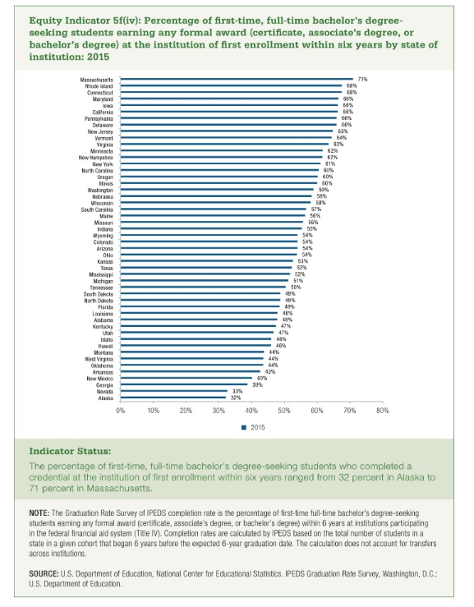
 | 2015 | 2000
Alaska | 32% | 0.223
Nevada | 33% | 0.413
Georgia | 39% | 0.411
New Mexico | 40% | 0.395
Arkansas | 43% | 0.347
Oklahoma | 44% | 0.376
West Virginia | 44% | 0.385
Montana | 44% | 0.4
Hawaii | 46% | 0.458
Idaho | 46% | 0.372
Utah | 47% | 0.523
Kentucky | 47% | 0.393
Alabama | 48% | 0.462
Louisiana | 48% | 0.345
Florida | 49% | 0.534
North Dakota | 49% | 0.442
South Dakota | 49% | 0.435
Tennessee | 50% | 0.468
Michigan | 51% | 0.561
Mississippi | 52% | 0.457
Texas | 52% | 0.464
Kansas | 53% | 0.483
Ohio | 54% | 0.509
Arizona | 54% | 0.496
Colorado | 54% | 0.509
Wyoming | 54% | 0.521
Indiana | 55% | 0.542
Missouri | 56% | 0.5
Maine | 56% | 0.567
South Carolina | 57% | 0.53
Wisconsin | 58% | 0.545
Nebraska | 58% | 0.464
Washington | 59% | 0.604
Illinois | 60% | 0.56
Oregon | 60% | 0.517
North Carolina | 60% | 0.572
New York | 61% | 0.549
New Hampshire | 62% | 0.642
Minnesota | 62% | 0.539
Virginia | 63% | 0.587
Vermont | 64% | 0.6
New Jersey | 65% | 0.597
Delaware | 66% | 0.613
Pennsylvania | 66% | 0.623
California | 66% | 0.587
Iowa | 66% | 0.612
Maryland | 66% | 0.606
Connecticut | 68% | 0.597
Rhode Island | 68% | 0.654
Massachusetts | 71% | 0.634

