2020 Indi 5f(iii) Chart
 | 1940 | 2018
West Virginia | 3% | 21%
Mississippi | 3% | 23%
Arkansas | 2% | 23%
Louisiana | 4% | 24%
Kentucky | 3% | 25%
Nevada | 7% | 25%
Alabama | 3% | 26%
Oklahoma | 5% | 26%
Wyoming | 5% | 27%
Indiana | 4% | 27%
Tennessee | 3% | 28%
Idaho | 4% | 28%
New Mexico | 5% | 28%
South Carolina | 5% | 28%
Iowa | 4% | 29%
Ohio | 4% | 29%
South Dakota | 4% | 29%
Missouri | 4% | 30%
Michigan | 4% | 30%
Arizona | 6% | 30%
North Dakota | 4% | 30%
Wisconsin | 4% | 30%
Alaska |  | 30%
Texas | 4% | 30%
Florida | 5% | 30%
Delaware | 5% | 31%
Maine | 3% | 32%
Montana | 5% | 32%
Pennsylvania | 4% | 32%
Georgia | 3% | 32%
North Carolina | 4% | 32%
Nebraska | 4% | 32%
United States | 5% | 32%
Hawaii |  | 34%
Kansas | 5% | 34%
Oregon | 6% | 34%
California | 7% | 34%
Rhode Island | 5% | 34%
Utah | 6% | 35%
Illinois | 5% | 35%
Minnesota | 4% | 37%
Washington | 6% | 37%
New Hampshire | 4% | 37%
New York | 6% | 37%
Vermont | 4% | 39%
Virginia | 4% | 39%
Connecticut | 5% | 40%
Maryland | 5% | 41%
New Jersey | 5% | 41%
Colorado | 6% | 42%
...

2020 Indi 5f(iii) Data&Image
Equity Indicator 5f(iii): Percentage of the population age 25 and older with a bachelor’s degree or higher by state: 1940 and 2018

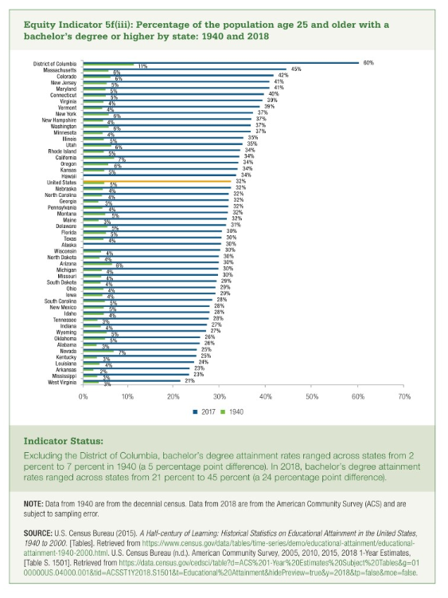
 | 1940 | 2018
West Virginia | 3% | 21%
Mississippi | 3% | 23%
Arkansas | 2% | 23%
Louisiana | 4% | 24%
Kentucky | 3% | 25%
Nevada | 7% | 25%
Alabama | 3% | 26%
Oklahoma | 5% | 26%
Wyoming | 5% | 27%
Indiana | 4% | 27%
Tennessee | 3% | 28%
Idaho | 4% | 28%
New Mexico | 5% | 28%
South Carolina | 5% | 28%
Iowa | 4% | 29%
Ohio | 4% | 29%
South Dakota | 4% | 29%
Missouri | 4% | 30%
Michigan | 4% | 30%
Arizona | 6% | 30%
North Dakota | 4% | 30%
Wisconsin | 4% | 30%
Alaska |  | 30%
Texas | 4% | 30%
Florida | 5% | 30%
Delaware | 5% | 31%
Maine | 3% | 32%
Montana | 5% | 32%
Pennsylvania | 4% | 32%
Georgia | 3% | 32%
North Carolina | 4% | 32%
Nebraska | 4% | 32%
United States | 5% | 32%
Hawaii |  | 34%
Kansas | 5% | 34%
Oregon | 6% | 34%
California | 7% | 34%
Rhode Island | 5% | 34%
Utah | 6% | 35%
Illinois | 5% | 35%
Minnesota | 4% | 37%
Washington | 6% | 37%
New Hampshire | 4% | 37%
New York | 6% | 37%
Vermont | 4% | 39%
Virginia | 4% | 39%
Connecticut | 5% | 40%
Maryland | 5% | 41%
New Jersey | 5% | 41%
Colorado | 6% | 42%
Massachusetts | 6% | 45%
District of Columbia | 11% | 60%

