2020 Indic 5f(ii) Chart
 | 1940 | 2018
California | 37% | 84%
Texas | 25% | 84%
Mississippi | 16% | 85%
New Mexico | 24% | 85%
Louisiana | 18% | 86%
Alabama | 16% | 87%
Kentucky | 16% | 87%
Nevada | 36% | 87%
New York | 23% | 87%
Arkansas | 15% | 87%
Arizona | 29% | 88%
Georgia | 17% | 88%
Tennessee | 18% | 88%
West Virginia | 18% | 88%
North Carolina | 19% | 88%
United States | 24% | 88%
Oklahoma | 24% | 88%
South Carolina | 18% | 88%
Florida | 27% | 89%
Indiana | 25% | 89%
Rhode Island | 21% | 89%
Illinois | 24% | 90%
Delaware | 24% | 90%
Virginia | 22% | 90%
New Jersey | 23% | 90%
Maryland | 21% | 91%
Missouri | 22% | 91%
Oregon | 33% | 91%
Ohio | 26% | 91%
Massachusetts | 31% | 91%
Connecticut | 25% | 91%
Idaho | 31% | 91%
Kansas | 29% | 91%
Pennsylvania | 21% | 91%
Michigan | 25% | 91%
Nebraska | 29% | 91%
Washington | 34% | 92%
Colorado | 32% | 92%
Hawaii |  | 92%
District of Columbia | 41% | 92%
Wisconsin | 22% | 92%
Iowa | 29% | 92%
North Dakota | 23% | 92%
South Dakota | 25% | 92%
Utah | 37% | 92%
Maine | 29% | 93%
New Hampshire | 27% | 93%
Wyoming | 33% | 93%
Alaska |  | 93%
Minnesota | 25% | 93%
...

2020 Indi 5f(ii) Data&Image
Equity Indicator 5f(ii): Percentage of the population age 25 and older with a high school diploma or equivalent credential by state: 1940 and 2018

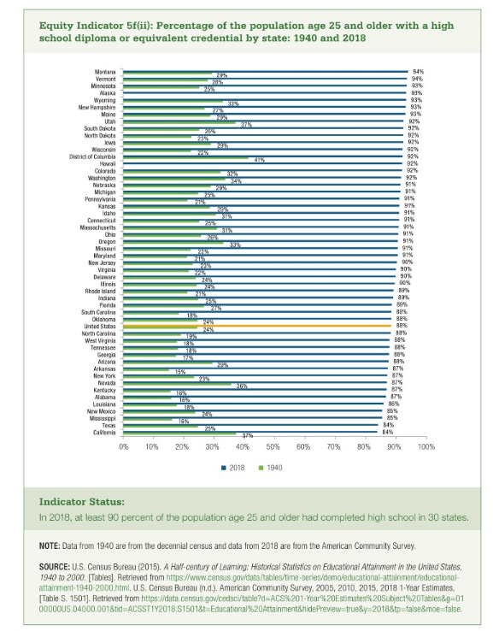
High School Diploma or Other Credential
 | 1940 | 2018
California | 37% | 84%
Texas | 25% | 84%
Mississippi | 16% | 85%
New Mexico | 24% | 85%
Louisiana | 18% | 86%
Alabama | 16% | 87%
Kentucky | 16% | 87%
Nevada | 36% | 87%
New York | 23% | 87%
Arkansas | 15% | 87%
Arizona | 29% | 88%
Georgia | 17% | 88%
Tennessee | 18% | 88%
West Virginia | 18% | 88%
North Carolina | 19% | 88%
United States | 24% | 88%
Oklahoma | 24% | 88%
South Carolina | 18% | 88%
Florida | 27% | 89%
Indiana | 25% | 89%
Rhode Island | 21% | 89%
Illinois | 24% | 90%
Delaware | 24% | 90%
Virginia | 22% | 90%
New Jersey | 23% | 90%
Maryland | 21% | 91%
Missouri | 22% | 91%
Oregon | 33% | 91%
Ohio | 26% | 91%
Massachusetts | 31% | 91%
Connecticut | 25% | 91%
Idaho | 31% | 91%
Kansas | 29% | 91%
Pennsylvania | 21% | 91%
Michigan | 25% | 91%
Nebraska | 29% | 91%
Washington | 34% | 92%
Colorado | 32% | 92%
Hawaii |  | 92%
District of Columbia | 41% | 92%
Wisconsin | 22% | 92%
Iowa | 29% | 92%
North Dakota | 23% | 92%
South Dakota | 25% | 92%
Utah | 37% | 92%
Maine | 29% | 93%
New Hampshire | 27% | 93%
Wyoming | 33% | 93%
Alaska |  | 93%
Minnesota | 25% | 93%
Vermont | 28% | 94%
Montana | 29% | 94%

