2020 Indi 5e(iii) Chart
First (Lowest) Income Quartile | 9%
Second Income Quartile | 7%
Third Income Quartile | 6%
Fourth (Highest) Income Quartile | 6%
All | 7%

2020 Indi 5e(iii) Data&Image
Equity Indicator 5e(iii): Percentage of dependent students who received bachelor’s degrees in 2008 who were “unemployed” (not enrolled in further schooling, not employed, and in the labor force) at the time of the 4-year follow-up in 2012

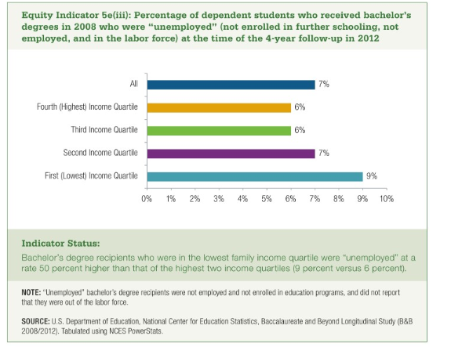
First (Lowest) Income Quartile | Second Income Quartile | Third Income Quartile | Fourth (Highest) Income Quartile | All
9% | 7% | 6% | 6% | 7%

