2020 Indicator 5e(ii) Chart
First (Lowest) Income Quartile | $43,285
Second Income Quartile | $43,064
Third Income Quartile | $43,443
Fourth (Highest) Income Quartile | $50,993
All | $46,097

2020 Indi 5e(ii) Data& Image
Equity Indicator 5e(ii): Average annualized income for dependent students who received bachelor’s degrees in 2008 who were not enrolled in education and who were employed at the 4-year follow-up in 2012 by parents’ income quartile

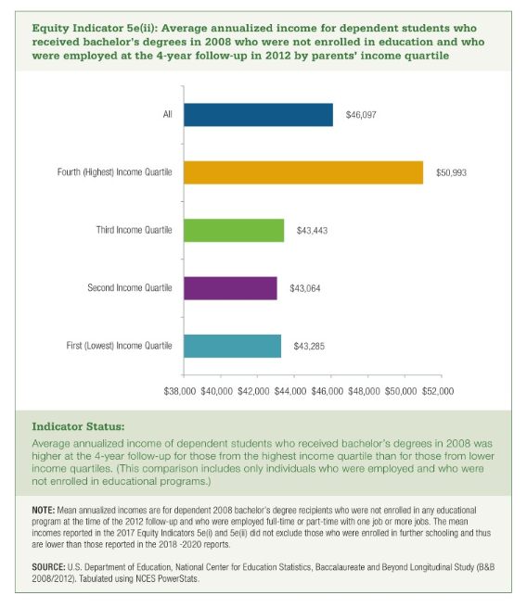

First (Lowest) Income Quartile | Second Income Quartile | Third Income Quartile | Fourth (Highest) Income Quartile | All
$43,285 | $43,064 | $43,443 | $50,993 | $46,097

