2020 Ind 5d(iia) 1980 chart
1980 Doctoral and Master's Degrees
 | 1980 Civilian Population | 1980 18-24 Year-Old Population | 1980 Master's Degrees Conferred | 1980 Doctoral Degrees Conferred
American Indian/Alaska Native | 1% | 7% | 4% | 3%
Asian/Pacific Islander* | 2% | 2% | 2% | 2%
Hispanic | 7% | 8% | 2% | 2%
Black* | 12% | 13% | 6% | 4%
White* | 80% | 77% | 89% | 91%

2020 Indi 5d (ii) 2018 Chart
2018 Doctoral and Master's
 | 2018 Civilian Population | 2018 18-24 Year Old Population | 2018 Master's Degrees Conferred | 2018 Doctoral Degrees Conferred
Two or More Races* | 2.2% | 3.1% | 2.8% | 2.8%
American Indian/Alaska Native* | 0.7% | 0.8% | 0.5% | 0.4%
Asian* | 5.8% | 5.8% | 7.4% | 12.9%
Hispanic | 18.3% | 22.4% | 10.7% | 8.2%
Black* | 12.5% | 14.2% | 13.5% | 8.9%
White* | 60.3% | 53.4% | 65.0% | 66.8%

2020 Ind 5d(ii) Data&Image
Equity Indicator 5d(ii): Distributions of master’s and doctoral degrees conferred to U.S. citizens and distribution of the civilian population by race/ethnicity: 1980 and 2018

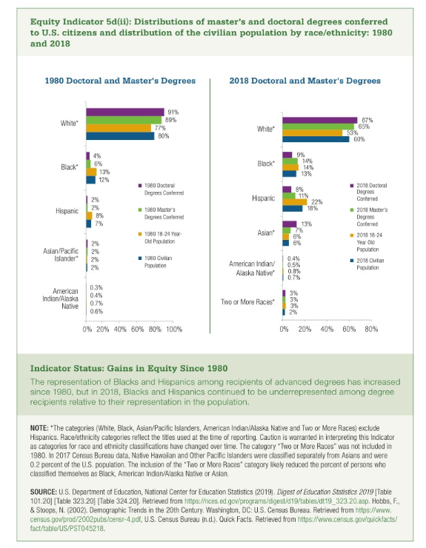
 | 1980 Civilian Population | 1980 18-24 Year-Old Population | 1980 Master's Degrees Conferred | 1980 Doctoral Degrees Conferred | Parity 18-24 Masters | Parity 18 to 24 Doctoral
American Indian/Alaska Native | 0.6% | 7% | 4% | 3% | 57% | 43%
Asian/Pacific Islander* | 2% | 2% | 2% | 2% | 144% | 150%
Hispanic | 7% | 8% | 2% | 2% | 30% | 28%
Black* | 12% | 13% | 6% | 4% | 49% | 33%
White* | 80% | 77% | 89% | 91% | 115% | 118%

 | 2018 Civilian Population | 2018 18-24 Year Old Population | 2018 Master's Degrees Conferred | 2018 Doctoral Degrees Conferred | Masters | Doctoral
Two or More Races* | 2% | 3% | 3% | 3% | 90% | 90%
American Indian/Alaska Native* | 0.7% | 0.8% | 0.5% | 0.4% | 63% | 50%
Asian* | 6% | 6% | 7% | 13% | 128% | 222%
Hispanic | 18% | 22% | 11% | 8% | 48% | 37%
Black* | 13% | 14% | 14% | 9% | 95% | 63%
White* | 60% | 53% | 65% | 67% | 122% | 125%

