2020 Indi 5d (i)a 1980 Chart
1980 Associate's and Bachelor's Degrees
 | 1980 Civilian Population | 1980 18-24 Year-Old Population | 1980 Associate's Conferred | 1980 Bachelor's Conferred
American Indian/Alaska Native | 1% | 1% | 1% | 0%
Asian/Pacific Islander* | 2% | 2% | 2% | 2%
Hispanic | 7% | 8% | 4% | 2%
Black* | 12% | 13% | 9% | 7%
White* | 80% | 77% | 84% | 89%

2020 Indi 5d(iib) 2018 Chart
2018 Associate's and Bachelor's
 | 2018 Civilian Population | 2018 18-24 Year Old Population | 2018 Associate's Conferred | 2018 Bachelor's Conferred
Two or More Races* | 2.2% | 3.1% | 3.3% | 3.7%
American Indian/Alaska Native* | 0.7% | 0.8% | 0.9% | 0.5%
Asian* | 5.8% | 5.8% | 6.0% | 8.0%
Hispanic | 18.3% | 22.4% | 22.8% | 14.2%
Black* | 12.5% | 14.2% | 12.7% | 10.4%
White* | 60.3% | 53.4% | 54.3% | 63.2%

2020 Indi 5d(i) Data&Image
Equity Indicator 5d(i): Distributions of associate’s and bachelor’s degrees conferred to U.S. citizens and distribution of the civilian population by race/ethnicity: 1980 and 2018

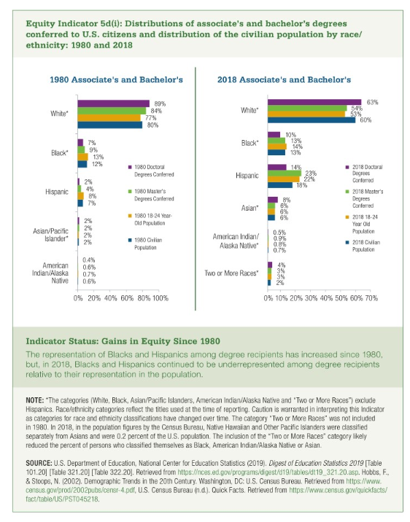
 | 1980 Civilian Population | 1980 18-24 Year-Old Population | 1980 Associate's Conferred | 1980 Bachelor's Conferred
American Indian/Alaska Native | 0.6% | 0.7% | 0.6% | 0.4%
Asian/Pacific Islander* | 2% | 2% | 2% | 2%
Hispanic | 7% | 8% | 4% | 2%
Black* | 12% | 13% | 9% | 7%
White* | 80% | 77% | 84% | 89%

 | 2018 Civilian Population | 2018 18-24 Year Old Population | 2018 Associate's Conferred | 2018 Bachelor's Conferred
Two or More Races* | 2% | 3% | 3% | 4%
American Indian/Alaska Native* | 0.7% | 0.8% | 0.9% | 0.5%
Asian* | 6% | 6% | 6% | 8%
Hispanic | 18% | 22% | 23% | 14%
Black* | 13% | 14% | 13% | 10%
White* | 60% | 53% | 54% | 63%

