2020 Indi 5c(v) Chart
 | Attained Certificate | Attained Associate's Degree | Attained Bachelor's Degree | No Degree, Still Enrolled | No Degree, Not Enrolled
First (Lowest) Income Quartile | 8% | 12% | 26% | 14% | 39%
Second Income Quartile | 7% | 12% | 36% | 15% | 30%
Third Income Quartile | 4% | 12% | 49% | 10% | 24%
Fourth (Highest) Income Quartile | 2% | 6% | 69% | 9% | 14%

2020 Indi 5c(v) Data&Image
Equity Indicator 5c(v): Enrollment and degree status by 2017 (6-year follow-up) of dependent students who first enrolled in a 4-year or 2-year institution in 2011-12 by family income quartile

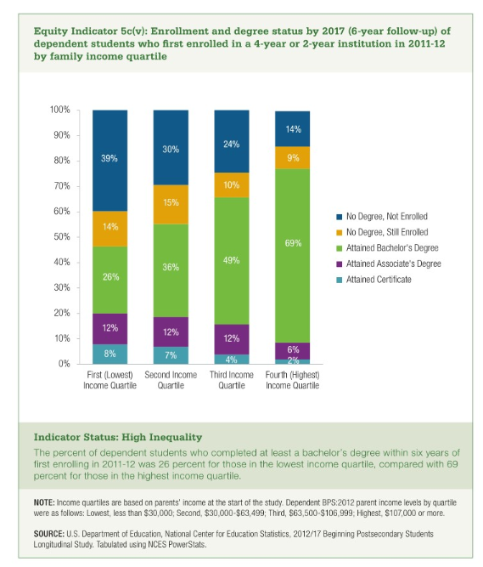
 | Attained Certificate | Attained Associate's Degree | Attained Bachelor's Degree | No Degree, Still Enrolled | No Degree, Not Enrolled
First (Lowest) Income Quartile | 8% | 12% | 26% | 14% | 39%
Second Income Quartile | 7% | 12% | 36% | 15% | 30%
Third Income Quartile | 4% | 12% | 49% | 10% | 24%
Fourth (Highest) Income Quartile | 2% | 6% | 69% | 9% | 14%

