2020 Ind 4e(ii) Chart
 | Debt Amount
Utah | $19,728
New Mexico | $21,858
California | $22,585
Nevada | $22,600
Washington | $23,524
Arizona | $23,967
Hawaii | $24,162
Florida | $24,428
Wyoming | $24,474
Colorado | $24,888
Oklahoma | $25,221
Alaska | $25,682
Nebraska | $26,422
Arkansas | $26,579
North Carolina | $26,683
Kansas | $26,764
Tennessee | $26,838
Louisiana | $27,151
Texas | $27,293
Idaho | $27,682
Montana | $28,032
Kentucky | $28,435
Oregon | $28,628
Georgia | $28,824
Indiana | $29,064
Maryland | $29,178
Missouri | $29,224
Alabama | $29,469
Illinois | $29,855
West Virginia | $30,014
Iowa | $30,045
Mississippi | $30,117
Ohio | $30,323
Virginia | $30,363
South Carolina | $30,838
New York | $31,127
Vermont | $31,431
Wisconsin | $31,705
Massachusetts | $31,882
South Dakota | $31,895
Michigan | $32,158
Minnesota | $32,317
Maine | $32,676
District of Columbia | $34,046
Delaware | $34,144
New Jersey | $34,387
Rhode Island | $36,036
New Hampshire | $36,776
Pennsylvania | $37,061
Connecticut | $38,669

2020 Ind 4e (ii) Data & Image
Equity Indicator 4e(ii). Average amount of debt among bachelor’s degree recipients who borrowed by state: 2018

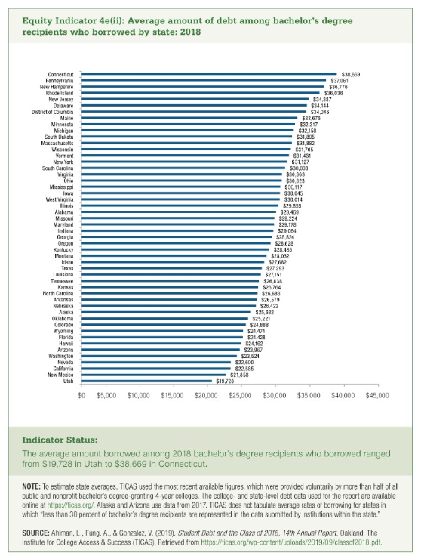
State | Debt Amount
Utah | $19,728
New Mexico | $21,858
California | $22,585
Nevada | $22,600
Washington | $23,524
Arizona | $23,967
Hawaii | $24,162
Florida | $24,428
Wyoming | $24,474
Colorado | $24,888
Oklahoma | $25,221
Alaska | $25,682
Nebraska | $26,422
Arkansas | $26,579
North Carolina | $26,683
Kansas | $26,764
Tennessee | $26,838
Louisiana | $27,151
Texas | $27,293
Idaho | $27,682
Montana | $28,032
Kentucky | $28,435
Oregon | $28,628
Georgia | $28,824
Indiana | $29,064
Maryland | $29,178
Missouri | $29,224
Alabama | $29,469
Illinois | $29,855
West Virginia | $30,014
Iowa | $30,045
Mississippi | $30,117
Ohio | $30,323
Virginia | $30,363
South Carolina | $30,838
New York | $31,127
Vermont | $31,431
Wisconsin | $31,705
Massachusetts | $31,882
South Dakota | $31,895
Michigan | $32,158
Minnesota | $32,317
Maine | $32,676
District of Columbia | $34,046
Delaware | $34,144
New Jersey | $34,387
Rhode Island | $36,036
New Hampshire | $36,776
Pennsylvania | $37,061
Connecticut | $38,669

