2020 Indi 4e(i) Chart
Utah | 36%
Florida | 44%
Wyoming | 46%
Hawaii | 47%
Oklahoma | 47%
Washington | 48%
California | 49%
Louisiana | 49%
New Mexico | 49%
Alaska | 50%
Alabama | 51%
District of Columbia | 51%
Nevada | 51%
Colorado | 52%
Arkansas | 53%
Arizona | 54%
Maryland | 55%
Nebraska | 55%
Oregon | 55%
Tennessee | 55%
North Carolina | 56%
Texas | 56%
Georgia | 57%
Indiana | 57%
Massachusetts | 57%
Montana | 57%
Virginia | 57%
Kansas | 58%
Mississippi | 58%
Missouri | 58%
South Carolina | 58%
Connecticut | 59%
Michigan | 59%
New York | 59%
Ohio | 60%
Maine | 61%
Delaware | 62%
Idaho | 62%
Iowa | 63%
Rhode Island | 63%
Vermont | 63%
Kentucky | 64%
New Jersey | 64%
Wisconsin | 64%
Pennsylvania | 65%
West Virginia | 65%
Illinois | 66%
Minnesota | 68%
South Dakota | 72%
New Hampshire | 76%

2020 Ind 4e(i) Data & Image
Equity Indicator 4e(i). Percentage of bachelor’s degree recipients with debt by state: 2018

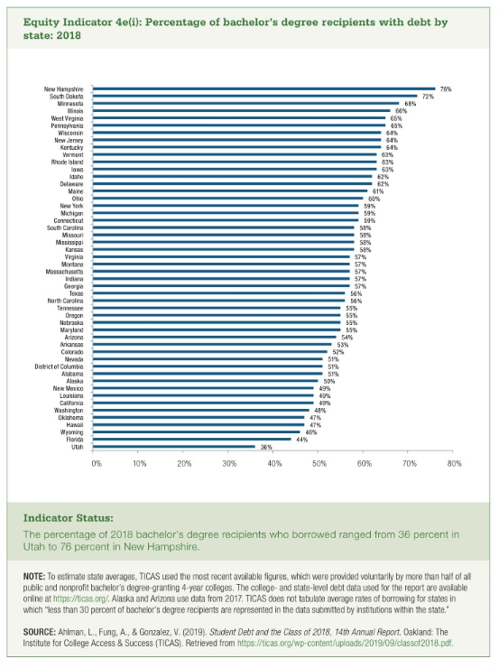
State | % of Debt
Utah | 36%
Florida | 44%
Wyoming | 46%
Hawaii | 47%
Oklahoma | 47%
Washington | 48%
California | 49%
Louisiana | 49%
New Mexico | 49%
Alaska | 50%
Alabama | 51%
District of Columbia | 51%
Nevada | 51%
Colorado | 52%
Arkansas | 53%
Arizona | 54%
Maryland | 55%
Nebraska | 55%
Oregon | 55%
Tennessee | 55%
North Carolina | 56%
Texas | 56%
Georgia | 57%
Indiana | 57%
Massachusetts | 57%
Montana | 57%
Virginia | 57%
Kansas | 58%
Mississippi | 58%
Missouri | 58%
South Carolina | 58%
Connecticut | 59%
Michigan | 59%
New York | 59%
Ohio | 60%
Maine | 61%
Delaware | 62%
Idaho | 62%
Iowa | 63%
Rhode Island | 63%
Vermont | 63%
Kentucky | 64%
New Jersey | 64%
Wisconsin | 64%
Pennsylvania | 65%
West Virginia | 65%
Illinois | 66%
Minnesota | 68%
South Dakota | 72%
New Hampshire | 76%

