2020 Indi 4d(iv)
 | Black | Two or More Races | All | American Indian/Alaska Native | White | Asian | Hispanic
2000 | $14,210 |  | $14,190 |  | $14,340 |  | $13,230
2012 | $21,460 | $19,560 | $19,100 | $22,330 | $19,050 | $15,110 | $16,880
2016 | $23,710 | $23,170 | $19,720 | $19,370 | $18,880 | $17,890 | $16,980

2020 Indi 4d(iv) Data & Image
Equity Indicator 4d(iv): Average cumulative loan amounts for associate’s degree completers who ever received loans (federal and non-federal loans to students and Parent Plus Loans) by race/ethnicity: 2000, 2012, and 2016 (constant 2018 dollars)

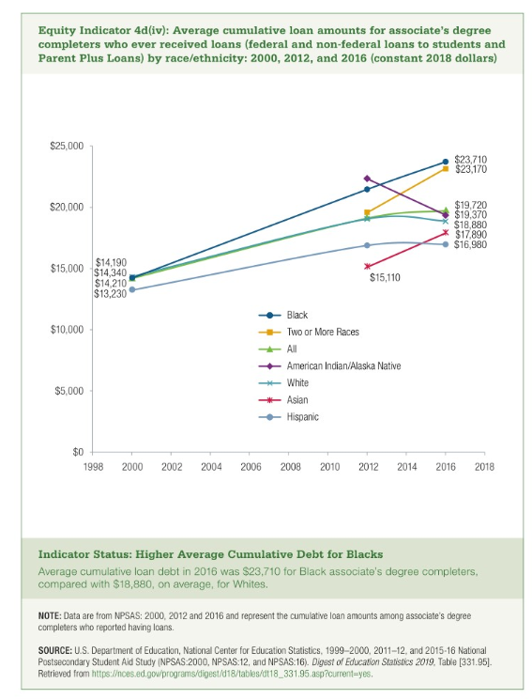
 | Black | Two or More Races | All | American Indian/Alaska Native | White | Asian | Hispanic
2000 | $14,210 |  | $14,190 |  | $14,340 |  | $13,230
2012 | $21,460 | $19,560 | $19,100 | $22,330 | $19,050 | $15,110 | $16,880
2016 | $23,710 | $23,170 | $19,720 | $19,370 | $18,880 | $17,890 | $16,980

