2020 Indi 4d(iii) Chart
 | Black | White | All | Two or More Races | Hispanic | American Indian/Alaska Native | Pacific Islander | Asian
2000 | $29,190 | $25,990 | $26,150 | $26,500 | $26,100 | $28,080 | $27,490 | $21,750
2012 | $36,740 | $32,350 | $32,700 | $31,220 | $32,850 |  |  | $25,750
2016 | $36,140 | $31,980 | $31,790 | $31,540 | $28,510 | $28,040 | $28,180 | $27,050

2020 Ind 4d(iii) Data & Image
Equity Indicator 4d(iii): Average cumulative loan amounts for bachelor's degree completers who ever received loans (federal and non-federal loans to students and Parent Plus Loans) by race/ethnicity: 2000, 2012, and 2016 (constant 2018 dollars)

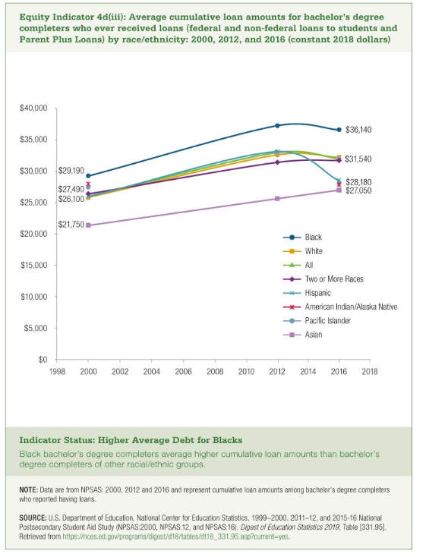
 | Black | White | All | Two or More Races | Hispanic | American Indian/Alaska Native | Pacific Islander | Asian
2000 | $29,190 | $25,990 | $26,150 | $26,500 | $26,100 | $28,080 | $27,490 | $21,750
2012 | $36,740 | $32,350 | $32,700 | $31,220 | $32,850 |  |  | $25,750
2016 | $36,140 | $31,980 | $31,790 | $31,540 | $28,510 | $28,040 | $28,180 | $27,050

