2020 Indi 4d(ii) Chart
 | Private For-profit | Private Nonprofit | All | Public
2000 | $20,110 | $17,720 | $14,190 | $12,060
2012 | $27,470 | $28,170 | $19,100 | $15,550
2016 | $28,080 | $26,390 | $19,720 | $16,620

2020 Indi 4d(ii) Data & Image
Equity Indicator 4d(ii): Average cumulative loan amounts for associate’s degree completers who ever received loans (federal and non-federal loans to students and Parent Plus Loans) by institution control: 2000, 2012, and 2016 (constant 2018 dollars)

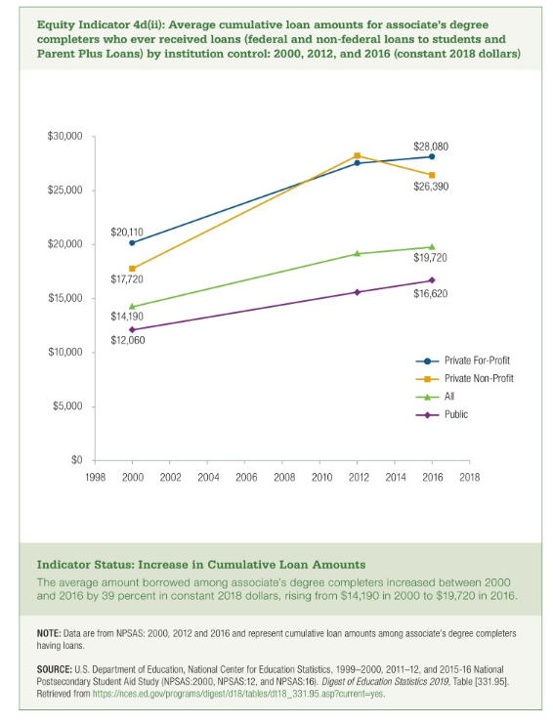
 | Private For-profit | Private Nonprofit | All | Public
2000 | $20,110 | $17,720 | $14,190 | $12,060
2012 | $27,470 | $28,170 | $19,100 | $15,550
2016 | $28,080 | $26,390 | $19,720 | $16,620

