2020 Indi 4d(i) Chart
 | Private For-profit | Private Nonprofit | All | Public
2000 | 35,960 | 29,350 | 26,150 | 24,250
2012 | 44,560 | 35,960 | 32,700 | 28,540
2016 | 43,920 | 33,900 | 31,790 | 28,620

2020 Indi 4d(i) Data & Image
Equity Indicator 4d(i): Average cumulative loan amounts for bachelor's degree completers who ever received loans (federal and non-federal loans to students and Parent Plus Loans) by institution control: 2000, 2012, and 2016 (constant 2018 dollars)

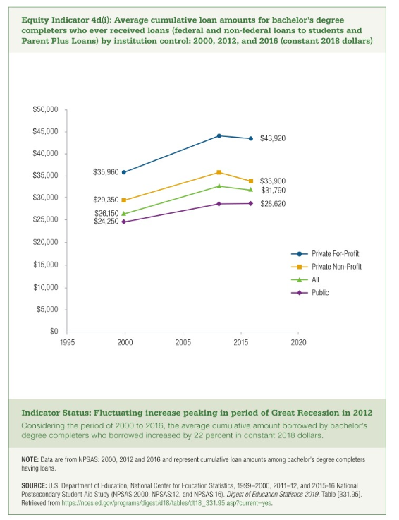
 | Private For-profit | Private Nonprofit | All | Public
2000 | 35,960 | 29,350 | 26,150 | 24,250
2012 | 44,560 | 35,960 | 32,700 | 28,540
2016 | 43,920 | 33,900 | 31,790 | 28,620

