2020 Ind 4c(iv) Chart
 | Black | American Indian/Alaska Native | White | All | Two or More Races | Pacific Islander | Hispanic | Asian
2000 | 45% |  | 40% | 39% |  |  | 41% | 17%
2012 | 66% | 65% | 49% | 50% | 52% |  | 45% | 26%
2016 | 67% | 67% | 50% | 48% | 47% | 47% | 35% | 27%

2020 Indi 4c (iv) Data & Image
Equity Indicator 4c(iv): Percentage of associate's degree completers who ever received loans (federal and non-federal loans to students and Parent Plus Loans) by race/ethnicity: 2000, 2012, and 2016

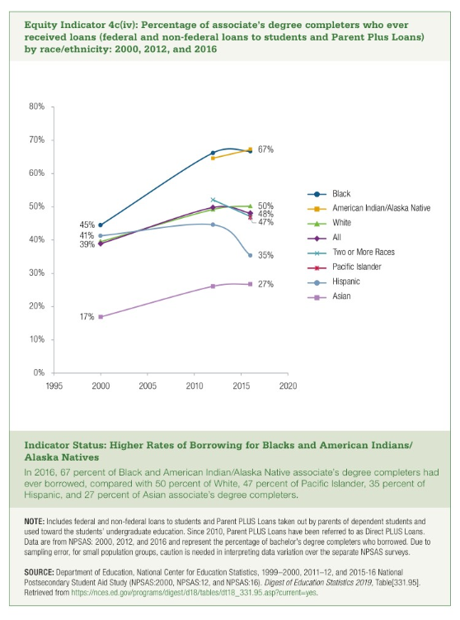
 | Black | American Indian/Alaska Native | White | All | Two or More Races | Pacific Islander | Hispanic | Asian
2000 | 45% |  | 40% | 39% |  |  | 41% | 17%
2012 | 66% | 65% | 49% | 50% | 52% |  | 45% | 26%
2016 | 67% | 67% | 50% | 48% | 47% | 47% | 35% | 27%

