2020 Ind 4c(iii) Chart
 | Pacific Islander | Black | American Indian/Alaska Native | Two or More Races | White | All | Hispanic | Asian
2000 | 67% | 81% | 75% | 55% | 61% | 62% | 69% | 50%
2012 |  | 84% | 62% | 81% | 68% | 69% | 72% | 47%
2016 | 89% | 85% | 76% | 73% | 69% | 69% | 67% | 45%

2020 Indi 4c (iii) Data & Image
Equity Indicator 4c(iii): Percentage of bachelor's degree completers who ever received loans (federal and non-federal loans to students and Parent Plus Loans) by race/ethnicity: 2000, 2012, and 2016

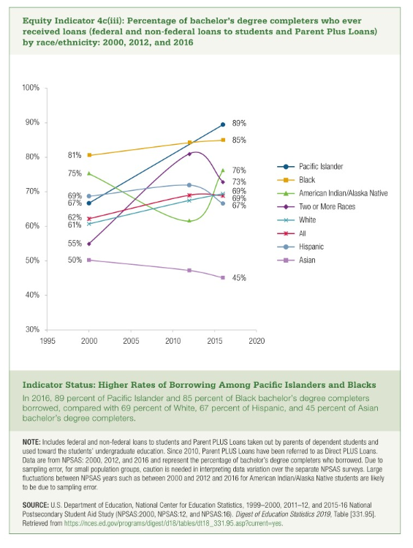
 | Pacific Islander | Black | American Indian/Alaska Native | Two or More Races | White | All | Hispanic | Asian
2000 | 67% | 81% | 75% | 55% | 61% | 62% | 69% | 50%
2012 |  | 84% | 62% | 81% | 68% | 69% | 72% | 47%
2016 | 89% | 85% | 76% | 73% | 69% | 69% | 67% | 45%

