2020 Ind 4c(ii) Chart
 | Private For-profit | Private Nonprofit | All | Public
2000 | 93% | 46% | 44% | 33%
2012 | 88% | 87% | 50% | 42%
2016 | 88% | 84% | 48% | 41%

2020 Indi 4c(ii) Data & Image
Equity Indicator 4c(ii): Percentage of associate's degree completers who ever received loans (federal and non-federal loans to students and Parent Plus Loans) by institutional control and level: 2000, 2012 and 2016

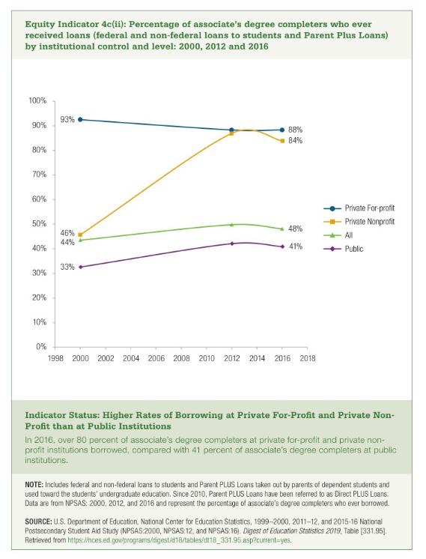

 | Private For-profit | Private Nonprofit | All | Public
2000 | 93% | 46% | 44% | 33%
2012 | 88% | 87% | 50% | 42%
2016 | 88% | 84% | 48% | 41%

