2020 Ind 4c(i) Chart
 | Private For-profit | Private Nonprofit | All | Public
1990 |  |  | 51%
2000 | 77% | 66% | 62% | 60%
2012 | 87% | 74% | 69% | 64%
2016 | 87% | 69% | 69% | 66%

2020 Ind 4c(i) Data & Image
Equity Indicator 4c(i): Percentage of bachelor's degree completers who ever received loans (federal and non-federal loans to students and Parent Plus Loans) by institutional control: Selected years from 1990 to 2016

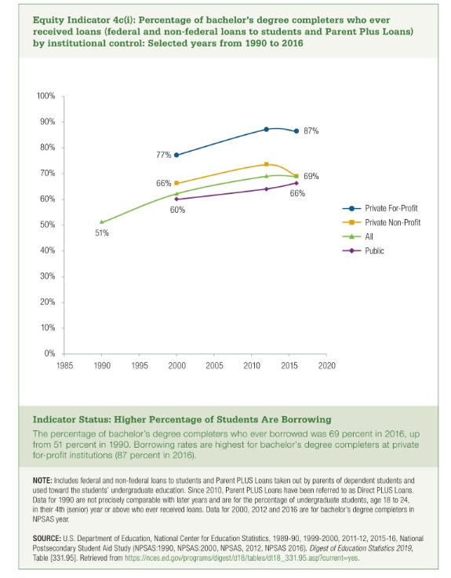

 | Private For-profit | Private Nonprofit | All | Public
1990 |  |  | 51%
2000 | 77% | 66% | 62% | 60%
2012 | 87% | 74% | 69% | 64%
2016 | 87% | 69% | 69% | 66%

