2020 Indi 4b(i) Chart
 | Fourth (Highest) Income Quartile | Third Income Quartile | Second Income Quartile | First (Lowest) Income Quartile
1990 | $20,566 | $15,573 | $14,268 | $12,347
1993 | $23,593 | $18,781 | $16,592 | $14,480
1996 | $21,669 | $17,605 | $15,187 | $12,314
2000 | $22,168 | $18,678 | $16,458 | $12,728
2004 | $23,355 | $19,724 | $17,281 | $13,513
2008 | $26,107 | $21,665 | $18,459 | $13,786
2012 | $29,237 | $24,306 | $19,317 | $15,069
2016 | $31,604 | $24,320 | $19,540 | $15,913

2020 Indi 4b(i) Data & Image
Equity Indicator 4b(i): Average net price for dependent full-time undergraduate students by family income quartile: 1990 to 2016 (constant 2018 dollars)

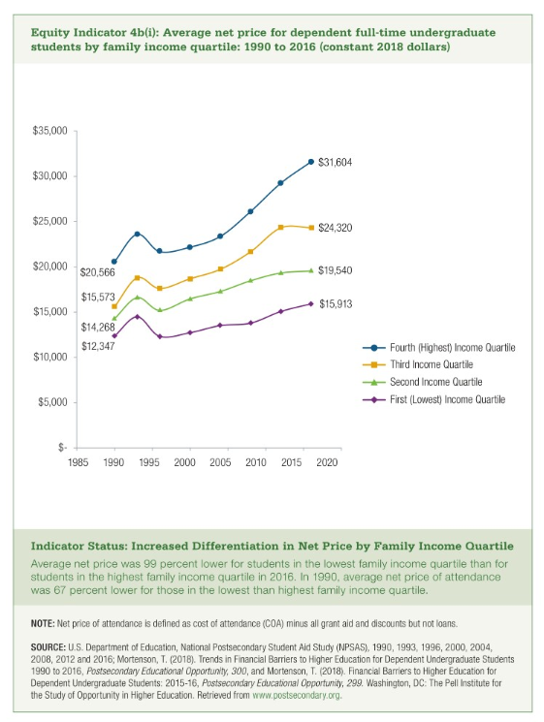
Year | Fourth (Highest) Income Quartile | Third Income Quartile | Second Income Quartile | First (Lowest) Income Quartile
1990 | $20,566 | $15,573 | $14,268 | $12,347
1993 | $23,593 | $18,781 | $16,592 | $14,480
1996 | $21,669 | $17,605 | $15,187 | $12,314
2000 | $22,168 | $18,678 | $16,458 | $12,728
2004 | $23,355 | $19,724 | $17,281 | $13,513
2008 | $26,107 | $21,665 | $18,459 | $13,786
2012 | $29,237 | $24,306 | $19,317 | $15,069
2016 | $31,604 | $24,320 | $19,540 | $15,913

