2020 Indi 3c(ii) Chart
 | Independent with Dependents | Independent without Dependents | Dependent
2000 | $10,785 | $8,892 | $6,225
2004 | $11,206 | $10,390 | $7,364
2008 | $15,724 | $14,243 | $7,469
2012 | $16,152 | $15,117 | $10,353
2016 | $16,822 | $16,367 | $10,734

2020 Indi 3c(ii) Data and Image
Equity Indicator 3c(ii): Unmet financial need among full-time undergraduates by dependency status: 2000 to 2016 (in constant 2018 dollars)
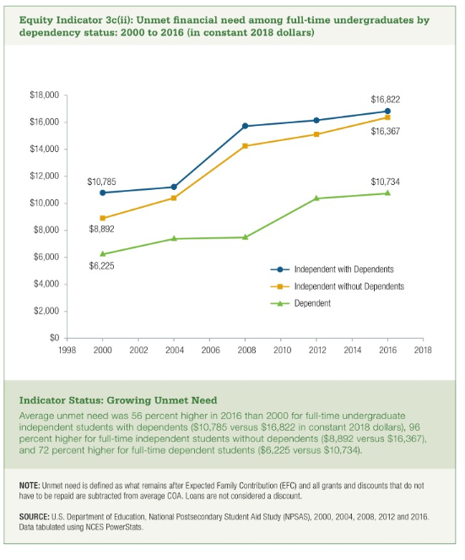
Year | Independent with Dependents | Independent without Dependents | Dependent | Total
2000 | $10,785 | $8,892 | $6,225 | $7,324
2004 | $11,206 | $10,390 | $7,364 | $8,403
2008 | $15,724 | $14,243 | $7,469 | $9,643
2012 | $16,152 | $15,117 | $10,353 | $12,237
2016 | $16,822 | $16,367 | $10,734 | $12,568

