2020 Indi 3c(i) Chart
 | First (Lowest) Income Quartile | Second Income Quartile | Third Income Quartile | Fourth (Highest) Income Quartile
1990 | $3,966 | $417 | $(5,938) | $(19,627)
1993 | $6,393 | $3,918 | $2,351 | $(17,423)
1996 | $6,557 | $4,562 | $(671) | $(14,457)
2000 | $6,658 | $3,916 | $(2,679) | $(18,697)
2004 | $7,362 | $4,528 | $(2,270) | $(21,274)
2008 | $6,891 | $3,270 | $(3,998) | $(21,198)
2012 | $9,043 | $7,166 | $1,151 | $(15,344)
2016 | $9,575 | $8,027 | $(629) | $(28,269)

2020 Indi 3c (i) Data & Image
Equity Indicator 3c(i): Unmet financial need of dependent full-time undergraduates by family income quartile: 1990 to 2016 (in constant 2018 dollars)

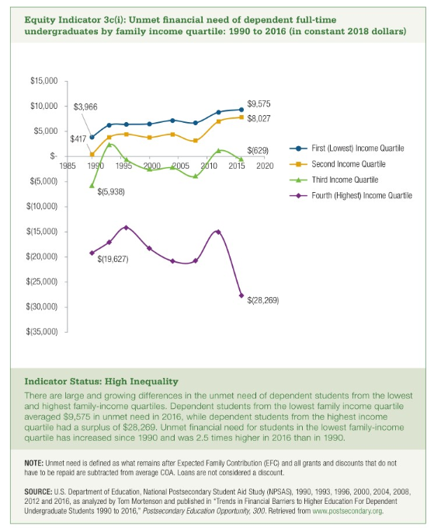
Year | First (Lowest) Income Quartile | Second Income Quartile | Third Income Quartile | Fourth (Highest) Income Quartile
1990 | $3,966 | $417 | $(5,938) | $(19,627)
1993 | $6,393 | $3,918 | $2,351 | $(17,423)
1996 | $6,557 | $4,562 | $(671) | $(14,457)
2000 | $6,658 | $3,916 | $(2,679) | $(18,697)
2004 | $7,362 | $4,528 | $(2,270) | $(21,274)
2008 | $6,891 | $3,270 | $(3,998) | $(21,198)
2012 | $9,043 | $7,166 | $1,151 | $(15,344)
2016 | $9,575 | $8,027 | $(629) | $(28,269)

