2020 Indi3b(v) Chart
 | Independent | Dependent
1975 | 13% | 87%
1976 | 22% | 78%
1977 | 30% | 70%
1978 | 38% | 62%
1979 | 39% | 62%
1980 | 37% | 63%
1981 | 34% | 66%
1982 | 41% | 59%
1983 | 42% | 58%
1984 | 46% | 54%
1985 | 48% | 53%
1986 | 49% | 51%
1987 | 50% | 50%
1988 | 54% | 46%
1989 | 58% | 43%
1990 | 58% | 42%
1991 | 59% | 41%
1992 | 61% | 39%
1993 | 62% | 38%
1994 | 62% | 38%
1995 | 59% | 41%
1996 | 59% | 41%
1997 | 59% | 42%
1998 | 58% | 42%
1999 | 57% | 43%
2000 | 55% | 45%
2001 | 56% | 44%
2002 | 56% | 44%
2003 | 57% | 43%
2004 | 58% | 43%
2005 | 58% | 42%
2006 | 58% | 42%
2007 | 59% | 41%
2008 | 58% | 42%
2009 | 58% | 42%
2010 | 59% | 41%
2011 | 61% | 39%
2012 | 60% | 40%
2013 | 59% | 41%
2014 | 58% | 42%
2015 | 56% | 44%
2016 | 55% | 45%
2017 | 53% | 47%
2018 | 51% | 49%

2020 Indi 3b(v) Data & Image
Equity Indicator 3b(v): Percentage distribution of Pell Grant recipients by dependency status: 1975-2018

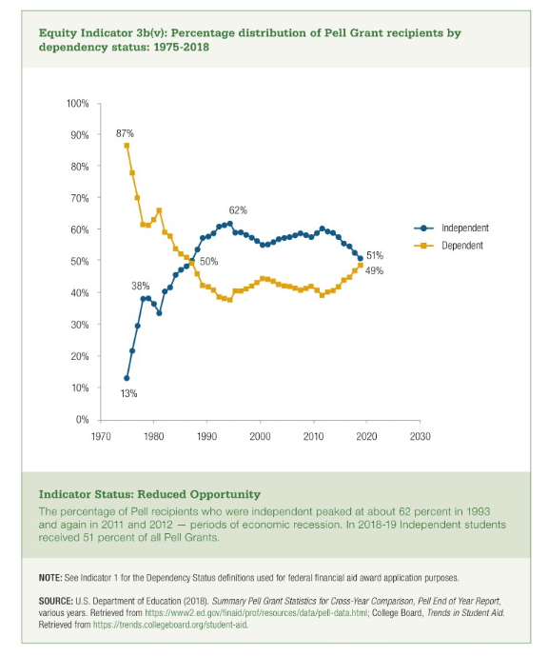
 | Total Recipients | Dependent | Independent |  | Independent | Dependent
1975 | 1,217 | 1,055 | 162 | 1975 | 13% | 87%
1976 | 1,944 | 1,518 | 426 | 1976 | 22% | 78%
1977 | 2,011 | 1,412 | 599 | 1977 | 30% | 70%
1978 | 1,893 | 1,168 | 725 | 1978 | 38% | 62%
1979 | 2,538 | 1,561 | 977 | 1979 | 39% | 62%
1980 | 2,708 | 1,714 | 994 | 1980 | 37% | 63%
1981 | 2,709 | 1,793 | 916 | 1981 | 34% | 66%
1982 | 2,523 | 1,499 | 1,024 | 1982 | 41% | 59%
1983 | 2,759 | 1,603 | 1,156 | 1983 | 42% | 58%
1984 | 2,747 | 1,486 | 1,261 | 1984 | 46% | 54%
1985 | 2,813 | 1,477 | 1,336 | 1985 | 48% | 53%
1986 | 2,660 | 1,367 | 1,293 | 1986 | 49% | 51%
1987 | 2,882 | 1,429 | 1,452 | 1987 | 50% | 50%
1988 | 3,198 | 1,474 | 1,724 | 1988 | 54% | 46%
1989 | 3,322 | 1,412 | 1,910 | 1989 | 58% | 43%
1990 | 3,405 | 1,433 | 1,971 | 1990 | 58% | 42%
1991 | 3,786 | 1,552 | 2,234 | 1991 | 59% | 41%
1992 | 4,002 | 1,557 | 2,445 | 1992 | 61% | 39%
1993 | 3,756 | 1,446 | 2,310 | 1993 | 62% | 38%
1994 | 3,675 | 1,393 | 2,282 | 1994 | 62% | 38%
1995 | 3,612 | 1,474 | 2,138 | 1995 | 59% | 41%
1996 | 3,666 | 1,492 | 2,174 | 1996 | 59% | 41%
1997 | 3,733 | 1,549 | 2,184 | 1997 | 59% | 42%
1998 | 3,855 | 1,635 | 2,221 | 1998 | 58% | 42%
1999 | 3,764 | 1,633 | 2,130 | 1999 | 57% | 43%
2000 | 3,899 | 1,743 | 2,156 | 2000 | 55% | 45%
2001 | 4,341 | 1,932 | 2,409 | 2001 | 56% | 44%
2002 | 4,779 | 2,093 | 2,686 | 2002 | 56% | 44%
2003 | 5,140 | 2,205 | 2,935 | 2003 | 57% | 43%
2004 | 5,308 | 2,256 | 3,052 | 2004 | 58% | 43%
2005 | 5,168 | 2,181 | 2,987 | 2005 | 58% | 42%
2006 | 5,165 | 2,154 | 3,011 | 2006 | 58% | 42%
2007 | 5,543 | 2,275 | 3,268 | 2007 | 59% | 41%
2008 | 6,157 | 2,561 | 3,596 | 2008 | 58% | 42%
2009 | 8,094 | 3,416 | 4,678 | 2009 | 58% | 42%
2010 | 9,308 | 3,812 | 5,496 | 2010 | 59% | 41%
2011 | 9,444 | 3,728 | 5,716 | 2011 | 61% | 39%
2012 | 8,959 | 3,623 | 5,336 | 2012 | 60% | 40%
2013 | 8,663 | 3,539 | 5,124 | 2013 | 59% | 41%
2014 | 8,316 | 3,513 | 4,803 | 2014 | 58% | 42%
2015 | 7,660 | 3,388 | 4,272 | 2015 | 56% | 44%
2016 | 7,195 | 3,247 | 3,948 | 2016 | 55% | 45%
2017 | 7,112 | 3,352 | 3,760 | 2017 | 53% | 47%
2018 | 6,785 | 3,321 | 3,463 | 2018 | 51% | 49%

