2020 Indi 3b(iv) Chart
 | Total | Dependent | Independent
1975 | 1,217 | 1,055 | 162
1976 | 1,944 | 1,518 | 426
1977 | 2,011 | 1,412 | 599
1978 | 1,893 | 1,168 | 725
1979 | 2,538 | 1,561 | 977
1980 | 2,708 | 1,714 | 994
1981 | 2,709 | 1,793 | 916
1982 | 2,523 | 1,499 | 1,024
1983 | 2,759 | 1,603 | 1,156
1984 | 2,747 | 1,486 | 1,261
1985 | 2,813 | 1,477 | 1,336
1986 | 2,660 | 1,367 | 1,293
1987 | 2,882 | 1,429 | 1,452
1988 | 3,198 | 1,474 | 1,724
1989 | 3,322 | 1,412 | 1,910
1990 | 3,405 | 1,433 | 1,971
1991 | 3,786 | 1,552 | 2,234
1992 | 4,002 | 1,557 | 2,445
1993 | 3,756 | 1,446 | 2,310
1994 | 3,675 | 1,393 | 2,282
1995 | 3,612 | 1,474 | 2,138
1996 | 3,666 | 1,492 | 2,174
1997 | 3,733 | 1,549 | 2,184
1998 | 3,855 | 1,635 | 2,221
1999 | 3,764 | 1,633 | 2,130
2000 | 3,899 | 1,743 | 2,156
2001 | 4,341 | 1,932 | 2,409
2002 | 4,779 | 2,093 | 2,686
2003 | 5,140 | 2,205 | 2,935
2004 | 5,308 | 2,256 | 3,052
2005 | 5,168 | 2,181 | 2,987
2006 | 5,165 | 2,154 | 3,011
2007 | 5,543 | 2,275 | 3,268
2008 | 6,157 | 2,561 | 3,596
2009 | 8,094 | 3,416 | 4,678
2010 | 9,308 | 3,812 | 5,496
2011 | 9,444 | 3,728 | 5,716
2012 | 8,959 | 3,623 | 5,336
2013 | 8,663 | 3,539 | 5,124
2014 | 8,316 | 3,513 | 4,803
2015 | 7,660 | 3,388 | 4,272
2016 | 7,195 | 3,247 | 3,948
2017 | 7,112 | 3,352 | 3,760
2018 | 6,785 | 3,321 | 3,463

2020 Indi 3b(iv) Data & Image
Equity Indicator 3b(iv): Number of Pell Grant recipients (in thousands) by dependency status: 1975-2018

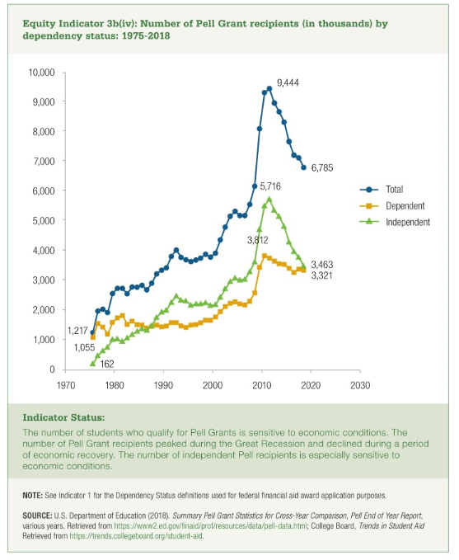
 | Total | Dependent | Independent | Percent Independent
1975 | 1,217 | 1,055 | 162 | 13%
1976 | 1,944 | 1,518 | 426 | 22%
1977 | 2,011 | 1,412 | 599 | 30%
1978 | 1,893 | 1,168 | 725 | 38%
1979 | 2,538 | 1,561 | 977 | 39%
1980 | 2,708 | 1,714 | 994 | 37%
1981 | 2,709 | 1,793 | 916 | 34%
1982 | 2,523 | 1,499 | 1,024 | 41%
1983 | 2,759 | 1,603 | 1,156 | 42%
1984 | 2,747 | 1,486 | 1,261 | 46%
1985 | 2,813 | 1,477 | 1,336 | 48%
1986 | 2,660 | 1,367 | 1,293 | 49%
1987 | 2,882 | 1,429 | 1,452 | 50%
1988 | 3,198 | 1,474 | 1,724 | 54%
1989 | 3,322 | 1,412 | 1,910 | 58%
1990 | 3,405 | 1,433 | 1,971 | 58%
1991 | 3,786 | 1,552 | 2,234 | 59%
1992 | 4,002 | 1,557 | 2,445 | 61%
1993 | 3,756 | 1,446 | 2,310 | 62%
1994 | 3,675 | 1,393 | 2,282 | 62%
1995 | 3,612 | 1,474 | 2,138 | 59%
1996 | 3,666 | 1,492 | 2,174 | 59%
1997 | 3,733 | 1,549 | 2,184 | 59%
1998 | 3,855 | 1,635 | 2,221 | 58%
1999 | 3,764 | 1,633 | 2,130 | 57%
2000 | 3,899 | 1,743 | 2,156 | 55%
2001 | 4,341 | 1,932 | 2,409 | 56%
2002 | 4,779 | 2,093 | 2,686 | 56%
2003 | 5,140 | 2,205 | 2,935 | 57%
2004 | 5,308 | 2,256 | 3,052 | 58%
2005 | 5,168 | 2,181 | 2,987 | 58%
2006 | 5,165 | 2,154 | 3,011 | 58%
2007 | 5,543 | 2,275 | 3,268 | 59%
2008 | 6,157 | 2,561 | 3,596 | 58%
2009 | 8,094 | 3,416 | 4,678 | 58%
2010 | 9,308 | 3,812 | 5,496 | 59%
2011 | 9,444 | 3,728 | 5,716 | 61%
2012 | 8,959 | 3,623 | 5,336 | 60%
2013 | 8,663 | 3,539 | 5,124 | 59%
2014 | 8,316 | 3,513 | 4,803 | 58%
2015 | 7,660 | 3,388 | 4,272 | 56%
2016 | 7,195 | 3,247 | 3,948 | 55%
2017 | 7,112 | 3,352 | 3,760 | 53%
2018 | 6,785 | 3,321 | 3,463 | 51%

