2020 indi 3b(iii) Chart
 | Pell if Covered Two-Thirds of Cost | Pell Maximum
1975 | $6,551 | $6,509
1976 | $6,727 | $6,179
1977 | $6,673 | $5,784
1978 | $6,648 | $6,135
1979 | $6,488 | $6,205
1980 | $6,331 | $5,333
1981 | $6,431 | $4,594
1982 | $6,714 | $4,652
1983 | $7,043 | $4,541
1984 | $7,401 | $4,600
1985 | $7,651 | $4,909
1986 | $8,027 | $4,833
1987 | $8,151 | $4,650
1988 | $8,362 | $4,680
1989 | $8,425 | $4,659
1990 | $8,497 | $4,445
1991 | $8,773 | $4,441
1992 | $8,955 | $4,305
1993 | $9,274 | $4,014
1994 | $9,450 | $3,906
1995 | $9,743 | $3,867
1996 | $9,900 | $3,965
1997 | $10,086 | $4,239
1998 | $10,424 | $4,630
1999 | $10,564 | $4,724
2000 | $10,572 | $4,813
2001 | $10,825 | $5,324
2002 | $11,263 | $5,597
2003 | $11,893 | $5,550
2004 | $12,296 | $5,389
2005 | $12,645 | $5,223
2006 | $12,849 | $5,015
2007 | $13,153 | $5,214
2008 | $13,084 | $5,420
2009 | $13,838 | $6,261
2010 | $14,308 | $6,415
2011 | $14,499 | $6,191
2012 | $14,911 | $6,105
2013 | $15,175 | $6,090
2014 | $15,399 | $6,061
2015 | $15,875 | $6,098
2016 | $16,201 | $6,089
2017 | $16,440 | $6,095
2018 | $16,484 | $6,095

2020 Indi 3b(iii) Data & Image
Equity Indicator 3b(iii): Maximum Pell Grant if the Pell Grant maximum covered two-thirds of average college costs (tuition and fees; room and board): 1975-76 to 2018-19 (constant 2018 dollars)

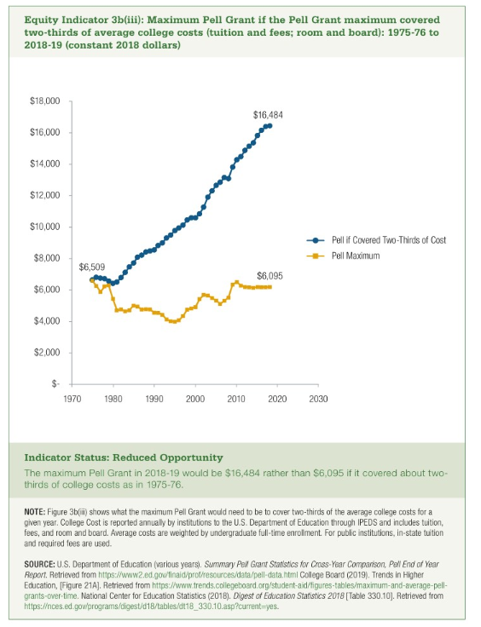
Year | Pell if Covered Two-Thirds of Cost | Pell Maximum | Average cost in constant 2018
1975 | $6,551 | $6,509 | $9,778 | $6,551
1976 | $6,727 | $6,179 | $10,041 | $6,727
1977 | $6,673 | $5,784 | $9,960 | $6,673
1978 | $6,648 | $6,135 | $9,923 | $6,648
1979 | $6,488 | $6,205 | $9,684 | $6,488
1980 | $6,331 | $5,333 | $9,449 | $6,331
1981 | $6,431 | $4,594 | $9,599 | $6,431
1982 | $6,714 | $4,652 | $10,021 | $6,714
1983 | $7,043 | $4,541 | $10,512 | $7,043
1984 | $7,401 | $4,600 | $11,046 | $7,401
1985 | $7,651 | $4,909 | $11,420 | $7,651
1986 | $8,027 | $4,833 | $11,981 | $8,027
1987 | $8,151 | $4,650 | $12,166 | $8,151
1988 | $8,362 | $4,680 | $12,481 | $8,362
1989 | $8,425 | $4,659 | $12,574 | $8,425
1990 | $8,497 | $4,445 | $12,681 | $8,497
1991 | $8,773 | $4,441 | $13,094 | $8,773
1992 | $8,955 | $4,305 | $13,366 | $8,955
1993 | $9,274 | $4,014 | $13,841 | $9,274
1994 | $9,450 | $3,906 | $14,105 | $9,450
1995 | $9,743 | $3,867 | $14,542 | $9,743
1996 | $9,900 | $3,965 | $14,777 | $9,900
1997 | $10,086 | $4,239 | $15,054 | $10,086
1998 | $10,424 | $4,630 | $15,559 | $10,424
1999 | $10,564 | $4,724 | $15,767 | $10,564
2000 | $10,572 | $4,813 | $15,780 | $10,572
2001 | $10,825 | $5,324 | $16,157 | $10,825
2002 | $11,263 | $5,597 | $16,811 | $11,263
2003 | $11,893 | $5,550 | $17,750 | $11,893
2004 | $12,296 | $5,389 | $18,352 | $12,296
2005 | $12,645 | $5,223 | $18,873 | $12,645
2006 | $12,849 | $5,015 | $19,177 | $12,849
2007 | $13,153 | $5,214 | $19,632 | $13,153
2008 | $13,084 | $5,420 | $19,528 | $13,084
2009 | $13,838 | $6,261 | $20,654 | $13,838
2010 | $14,308 | $6,415 | $21,356 | $14,308
2011 | $14,499 | $6,191 | $21,641 | $14,499
2012 | $14,911 | $6,105 | $22,256 | $14,911
2013 | $15,175 | $6,090 | $22,650 | $15,175
2014 | $15,399 | $6,061 | $22,984 | $15,399
2015 | $15,875 | $6,098 | $23,694 | $15,875
2016 | $16,201 | $6,089 | $24,181 | $16,201
2017 | $16,440 | $6,095 | $24,538 | $16,440
2018 | $16,484 | $6,095 | $24,603 | $16,484

