2020 Indi 3b(ii) Chart
 | Percent covered
1975 | 67%
1976 | 62%
1977 | 58%
1978 | 62%
1979 | 64%
1980 | 56%
1981 | 48%
1982 | 46%
1983 | 43%
1984 | 42%
1985 | 43%
1986 | 40%
1987 | 38%
1988 | 37%
1989 | 37%
1990 | 35%
1991 | 34%
1992 | 32%
1993 | 29%
1994 | 28%
1995 | 27%
1996 | 27%
1997 | 28%
1998 | 30%
1999 | 30%
2000 | 30%
2001 | 33%
2002 | 33%
2003 | 31%
2004 | 29%
2005 | 28%
2006 | 26%
2007 | 27%
2008 | 28%
2009 | 30%
2010 | 30%
2011 | 29%
2012 | 27%
2013 | 27%
2014 | 26%
2015 | 26%
2016 | 25%
2017 | 25%
2018 | 25%

2020 Indi 3b(ii) Data & Image
Equity Indicator 3b(ii): Percentage of average costs (tuition and required fees plus room and board) covered by the maximum Pell Grant: 1975-76 to 2018-19 (constant 2018 dollars)

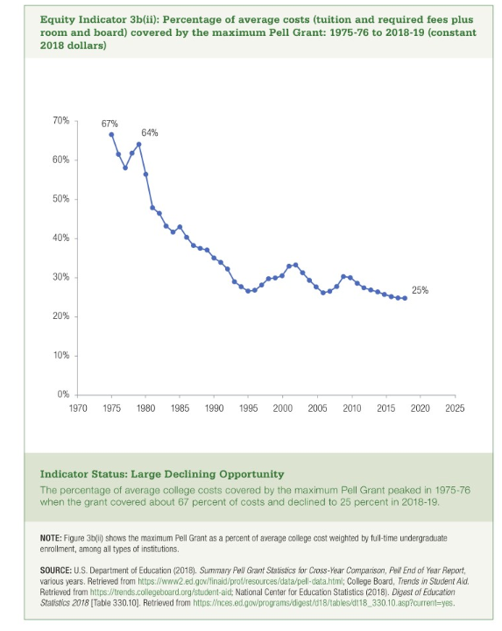
 | Percent covered
1975 | 67%
1976 | 62%
1977 | 58%
1978 | 62%
1979 | 64%
1980 | 56%
1981 | 48%
1982 | 46%
1983 | 43%
1984 | 42%
1985 | 43%
1986 | 40%
1987 | 38%
1988 | 37%
1989 | 37%
1990 | 35%
1991 | 34%
1992 | 32%
1993 | 29%
1994 | 28%
1995 | 27%
1996 | 27%
1997 | 28%
1998 | 30%
1999 | 30%
2000 | 30%
2001 | 33%
2002 | 33%
2003 | 31%
2004 | 29%
2005 | 28%
2006 | 26%
2007 | 27%
2008 | 28%
2009 | 30%
2010 | 30%
2011 | 29%
2012 | 27%
2013 | 27%
2014 | 26%
2015 | 26%
2016 | 25%
2017 | 25%
2018 | 25%

