2020 Indi 3b(i) Chart
 | Average Cost | Pell Maximum | Pell Average
1975 | $9,778 | $6,509 | $3,538
1976 | $10,041 | $6,179 | $3,350
1977 | $9,960 | $5,784 | $3,131
1978 | $9,923 | $6,135 | $3,120
1979 | $9,684 | $6,205 | $3,200
1980 | $9,449 | $5,333 | $2,690
1981 | $9,599 | $4,594 | $2,340
1982 | $10,021 | $4,652 | $2,480
1983 | $10,512 | $4,541 | $2,560
1984 | $11,046 | $4,600 | $2,690
1985 | $11,420 | $4,909 | $2,990
1986 | $11,981 | $4,833 | $2,990
1987 | $12,166 | $4,650 | $2,890
1988 | $12,481 | $4,680 | $2,980
1989 | $12,574 | $4,659 | $2,910
1990 | $12,681 | $4,445 | $2,800
1991 | $13,094 | $4,441 | $2,830
1992 | $13,366 | $4,305 | $2,770
1993 | $13,841 | $4,014 | $2,630
1994 | $14,105 | $3,906 | $2,550
1995 | $14,542 | $3,867 | $2,500
1996 | $14,777 | $3,965 | $2,530
1997 | $15,054 | $4,239 | $2,660
1998 | $15,559 | $4,630 | $2,900
1999 | $15,767 | $4,724 | $2,900
2000 | $15,780 | $4,813 | $2,980
2001 | $16,157 | $5,324 | $3,260
2002 | $16,811 | $5,597 | $3,410
2003 | $17,750 | $5,550 | $3,390
2004 | $18,352 | $5,389 | $3,300
2005 | $18,873 | $5,223 | $3,170
2006 | $19,177 | $5,015 | $3,070
2007 | $19,632 | $5,214 | $3,200
2008 | $19,528 | $5,420 | $3,400
2009 | $20,654 | $6,261 | $4,340
2010 | $21,356 | $6,415 | $4,430
2011 | $21,641 | $6,191 | $3,970
2012 | $22,256 | $6,105 | $3,940
2013 | $22,650 | $6,090 | $3,920
2014 | $22,984 | $6,061 | $3,900
2015 | $23,694 | $6,098 | $3,940
2016 | $24,181 | $6,089 | $3,910
2017 | $24,538 | $6,095 | $4,150
2018 | $24,603 | $6,095 | $4,160

2020 Indi Data & Image
Equity Indicator 3b(i): Average costs (tuition and required fees plus room and board) for full-time undergraduate enrollment and maximum and average Pell Grant awards: 1975-76 to 2018-19 (constant 2018 dollars)

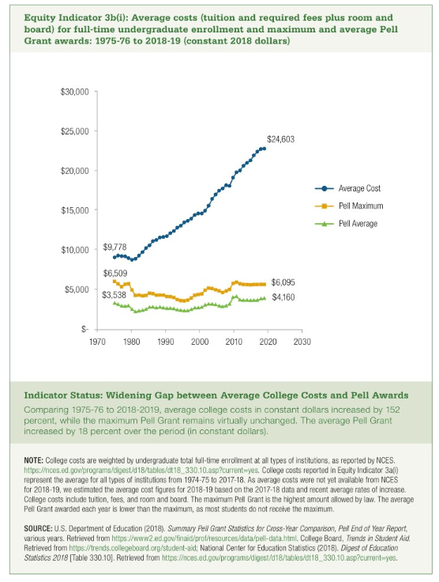
 | Average Cost | Pell Maximum | Pell Average | Percent covered
1975 | $9,778 | $6,509 | $3,538 | 67%
1976 | $10,041 | $6,179 | $3,350 | 62%
1977 | $9,960 | $5,784 | $3,131 | 58%
1978 | $9,923 | $6,135 | $3,120 | 62%
1979 | $9,684 | $6,205 | $3,200 | 64%
1980 | $9,449 | $5,333 | $2,690 | 56%
1981 | $9,599 | $4,594 | $2,340 | 48%
1982 | $10,021 | $4,652 | $2,480 | 46%
1983 | $10,512 | $4,541 | $2,560 | 43%
1984 | $11,046 | $4,600 | $2,690 | 42%
1985 | $11,420 | $4,909 | $2,990 | 43%
1986 | $11,981 | $4,833 | $2,990 | 40%
1987 | $12,166 | $4,650 | $2,890 | 38%
1988 | $12,481 | $4,680 | $2,980 | 37%
1989 | $12,574 | $4,659 | $2,910 | 37%
1990 | $12,681 | $4,445 | $2,800 | 35%
1991 | $13,094 | $4,441 | $2,830 | 34%
1992 | $13,366 | $4,305 | $2,770 | 32%
1993 | $13,841 | $4,014 | $2,630 | 29%
1994 | $14,105 | $3,906 | $2,550 | 28%
1995 | $14,542 | $3,867 | $2,500 | 27%
1996 | $14,777 | $3,965 | $2,530 | 27%
1997 | $15,054 | $4,239 | $2,660 | 28%
1998 | $15,559 | $4,630 | $2,900 | 30%
1999 | $15,767 | $4,724 | $2,900 | 30%
2000 | $15,780 | $4,813 | $2,980 | 30%
2001 | $16,157 | $5,324 | $3,260 | 33%
2002 | $16,811 | $5,597 | $3,410 | 33%
2003 | $17,750 | $5,550 | $3,390 | 31%
2004 | $18,352 | $5,389 | $3,300 | 29%
2005 | $18,873 | $5,223 | $3,170 | 28%
2006 | $19,177 | $5,015 | $3,070 | 26%
2007 | $19,632 | $5,214 | $3,200 | 27%
2008 | $19,528 | $5,420 | $3,400 | 28%
2009 | $20,654 | $6,261 | $4,340 | 30%
2010 | $21,356 | $6,415 | $4,430 | 30%
2011 | $21,641 | $6,191 | $3,970 | 29%
2012 | $22,256 | $6,105 | $3,940 | 27%
2013 | $22,650 | $6,090 | $3,920 | 27%
2014 | $22,984 | $6,061 | $3,900 | 26%
2015 | $23,694 | $6,098 | $3,940 | 26%
2016 | $24,181 | $6,089 | $3,910 | 25%
2017 | $24,538 | $6,095 | $4,150 | 25%
2018 | $24,603 | $6,095 | $4,160 | 25%

