2020 Indi 3a(iv) Chart
 | Public 2-year in-state
California | $1,268
New Mexico | $1,666
Arizona | $2,152
Texas | $2,209
North Carolina | $2,499
Florida. | $2,506
Georgia | $2,901
Nevada | $3,075
Hawaii | $3,080
Wisconsin | $3,142
Wyoming | $3,142
Mississippi | $3,182
Nebraska | $3,212
Missouri | $3,273
Idaho | $3,282
Arkansas | $3,291
Kansas | $3,382
Michigan | $3,469
Montana | $3,631
Colorado | $3,638
Ohio | $3,672
Maine | $3,698
United States | $3,781
Oklahoma | $3,876
Illinois | $3,891
Washington | $4,077
Virginia | $4,078
Maryland | $4,090
Louisiana | $4,093
Kentucky | $4,106
Tennessee | $4,148
Indiana | $4,255
Connecticut | $4,312
West Virginia | $4,337
Alabama | $4,403
Oregon | $4,487
South Carolina | $4,502
New Jersey | $4,536
Rhode Island | $4,564
North Dakota | $4,700
Iowa | $4,923
Massachusetts | $4,991
Vermont | $5,118
Pennsylvania | $5,173
New York | $5,229
Minnesota | $5,381
South Dakota | $6,026
Utah | $6,414
New Hampshire | $7,337

2020 Indi 3a(iv) Data&Imagage
Equity Indicator 3a(iv): Average costs (undergraduate tuition and fees) charged by public 2-year institutions for full-time in-state students by state: 2017-18

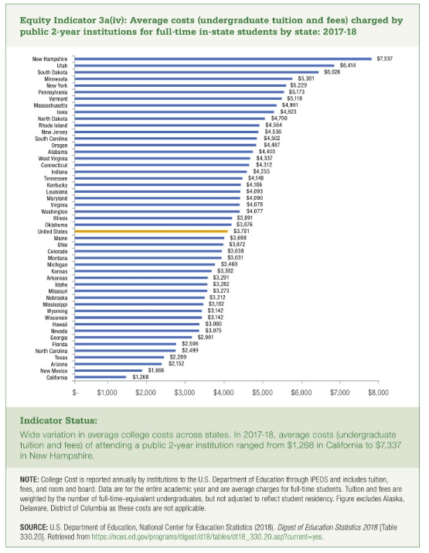
 | Public 2-year in-state
California | $1,268
New Mexico | $1,666
Arizona | $2,152
Texas | $2,209
North Carolina | $2,499
Florida. | $2,506
Georgia | $2,901
Nevada | $3,075
Hawaii | $3,080
Wisconsin | $3,142
Wyoming | $3,142
Mississippi | $3,182
Nebraska | $3,212
Missouri | $3,273
Idaho | $3,282
Arkansas | $3,291
Kansas | $3,382
Michigan | $3,469
Montana | $3,631
Colorado | $3,638
Ohio | $3,672
Maine | $3,698
United States | $3,781
Oklahoma | $3,876
Illinois | $3,891
Washington | $4,077
Virginia | $4,078
Maryland | $4,090
Louisiana | $4,093
Kentucky | $4,106
Tennessee | $4,148
Indiana | $4,255
Connecticut | $4,312
West Virginia | $4,337
Alabama | $4,403
Oregon | $4,487
South Carolina | $4,502
New Jersey | $4,536
Rhode Island | $4,564
North Dakota | $4,700
Iowa | $4,923
Massachusetts | $4,991
Vermont | $5,118
Pennsylvania | $5,173
New York | $5,229
Minnesota | $5,381
South Dakota | $6,026
Utah | $6,414
New Hampshire | $7,337

