2020 Indi 3a(iii) Chart
 | Private 4-year
Idaho | $13,488
Utah | $15,389
West Virginia | $21,300
North Dakota | $22,511
Arizona | $22,939
Mississippi | $25,774
Alabama | $26,164
Alaska | $26,887
Delaware | $26,928
Hawaii | $28,858
Kansas | $30,240
Arkansas | $30,828
South Dakota | $32,157
New Mexico | $33,620
Virginia | $33,658
Montana | $33,739
South Carolina | $34,421
Nebraska | $34,598
Missouri | $34,623
Colorado | $35,152
Oklahoma | $35,542
Kentucky | $35,948
Nevada | $36,163
Michigan | $36,664
Tennessee | $37,162
Florida. | $37,336
Iowa | $37,380
Georgia | $40,414
Ohio | $42,254
Minnesota | $42,716
United States | $43,139
Wisconsin | $43,332
Indiana | $43,764
Texas | $43,866
North Carolina | $44,050
Illinois | $45,046
New Hampshire | $47,030
California | $47,410
Washington | $48,518
Louisiana | $49,452
Maine | $49,994
New Jersey | $50,321
Oregon | $50,617
Pennsylvania | $53,239
New York | $53,659
Connecticut | $54,819
Rhode Island | $54,877
Maryland | $55,685
Vermont | $56,172
District of Columbia | $57,611
...

2020 Indi 3a(iii) Data and Ima
Equity Indicator 3a(iii): Average costs (undergraduate tuition, fees, and room and board) charged by 4-year private (non-profit and for-profit) colleges and universities for full-time students by state: 2017-18

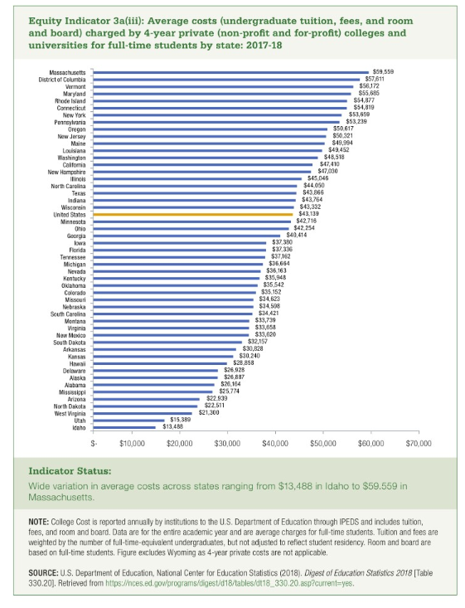
 | Private 4-year
Idaho | $13,488
Utah | $15,389
West Virginia | $21,300
North Dakota | $22,511
Arizona | $22,939
Mississippi | $25,774
Alabama | $26,164
Alaska | $26,887
Delaware | $26,928
Hawaii | $28,858
Kansas | $30,240
Arkansas | $30,828
South Dakota | $32,157
New Mexico | $33,620
Virginia | $33,658
Montana | $33,739
South Carolina | $34,421
Nebraska | $34,598
Missouri | $34,623
Colorado | $35,152
Oklahoma | $35,542
Kentucky | $35,948
Nevada | $36,163
Michigan | $36,664
Tennessee | $37,162
Florida. | $37,336
Iowa | $37,380
Georgia | $40,414
Ohio | $42,254
Minnesota | $42,716
United States | $43,139
Wisconsin | $43,332
Indiana | $43,764
Texas | $43,866
North Carolina | $44,050
Illinois | $45,046
New Hampshire | $47,030
California | $47,410
Washington | $48,518
Louisiana | $49,452
Maine | $49,994
New Jersey | $50,321
Oregon | $50,617
Pennsylvania | $53,239
New York | $53,659
Connecticut | $54,819
Rhode Island | $54,877
Maryland | $55,685
Vermont | $56,172
District of Columbia | $57,611
Massachusetts | $59,559

