2020 Indi 3a(ii) Chart
 | 2017-2018
Utah | $14,174
Wyoming | $14,486
Florida. | $14,896
Idaho | $15,455
Montana | $15,800
New Mexico | $15,803
North Dakota | $15,998
Oklahoma | $16,263
South Dakota | $16,421
Wisconsin | $16,544
Nevada | $16,810
North Carolina | $17,343
Arkansas | $17,479
Georgia | $17,705
Mississippi | $17,718
West Virginia | $17,803
Kansas | $17,963
Missouri | $18,106
Texas | $18,271
Washington | $18,323
Alaska | $18,373
Iowa | $18,426
Nebraska | $18,449
Louisiana | $18,835
Tennessee | $18,951
Indiana | $19,297
Maine | $19,500
Alabama | $19,673
United States | $20,050
Minnesota | $20,420
Kentucky | $20,745
Maryland | $21,177
Hawaii | $21,201
Colorado | $21,514
Ohio | $21,674
California | $22,081
South Carolina | $22,132
New York | $22,343
Delaware | $22,371
Arizona | $22,629
Michigan | $22,665
Oregon | $22,710
Virginia | $23,427
Rhode Island | $24,280
Illinois | $25,089
Connecticut | $25,182
Massachusetts | $25,229
Pennsylvania | $25,795
New Jersey | $26,542
New Hampshire | $27,570
...

2020 Indi 3a(ii) Data and Image
Equity Indicator 3a(ii): Average costs (undergraduate tuition, fees, and room and board) charged by 4-year public colleges and universities for full-time in-state students by state: 2017-18

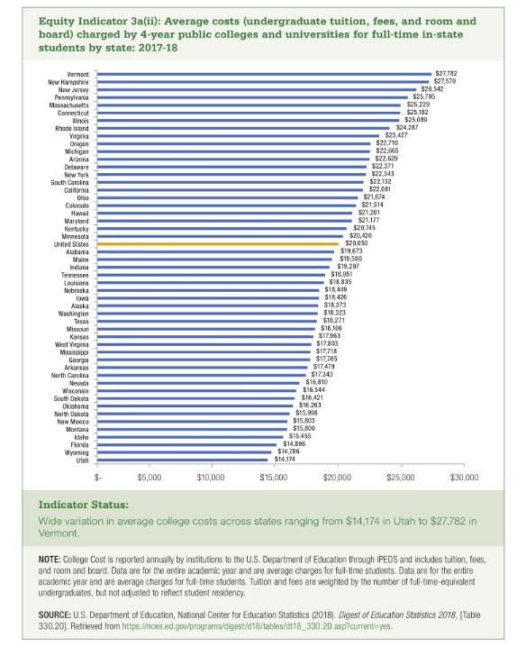
State | 2017-2018
Utah | $14,174
Wyoming | $14,486
Florida. | $14,896
Idaho | $15,455
Montana | $15,800
New Mexico | $15,803
North Dakota | $15,998
Oklahoma | $16,263
South Dakota | $16,421
Wisconsin | $16,544
Nevada | $16,810
North Carolina | $17,343
Arkansas | $17,479
Georgia | $17,705
Mississippi | $17,718
West Virginia | $17,803
Kansas | $17,963
Missouri | $18,106
Texas | $18,271
Washington | $18,323
Alaska | $18,373
Iowa | $18,426
Nebraska | $18,449
Louisiana | $18,835
Tennessee | $18,951
Indiana | $19,297
Maine | $19,500
Alabama | $19,673
United States | $20,050
Minnesota | $20,420
Kentucky | $20,745
Maryland | $21,177
Hawaii | $21,201
Colorado | $21,514
Ohio | $21,674
California | $22,081
South Carolina | $22,132
New York | $22,343
Delaware | $22,371
Arizona | $22,629 | $
Michigan | $22,665
Oregon | $22,710
Virginia | $23,427
Rhode Island | $24,280
Illinois | $25,089
Connecticut | $25,182
Massachusetts | $25,229
Pennsylvania | $25,795
New Jersey | $26,542
New Hampshire | $27,570
Vermont | $27,782

