2020 Indi 3 a(i) Chart
 | 4-Year Private Non-Profit and For Profit | 2-Year Private Non-Profit and For-Profit | Average for All | 4-Year Public | 2-Year Public
1975 | $16,309 | $12,413 | $9,501 | $7,889 | $6,415
1980 | $16,021 | $11,990 | $8,978 | $7,439 | $5,822
1985 | $19,825 | $14,553 | $10,704 | $8,637 | $6,585
1990 | $24,005 | $16,943 | $12,130 | $9,722 | $6,447
1995 | $27,388 | $18,428 | $14,133 | $11,004 | $6,824
2000 | $30,393 | $20,585 | $15,287 | $12,127 | $6,933
2001 | $30,973 | $21,125 | $15,333 | $12,263 | $6,857
2002 | $31,882 | $22,036 | $15,847 | $12,805 | $7,154
2003 | $32,411 | $24,189 | $16,369 | $13,336 | $7,632
2004 | $33,427 | $26,078 | $17,272 | $14,233 | $8,016
2005 | $33,991 | $26,273 | $17,854 | $14,789 | $8,252
2006 | $34,082 | $26,689 | $18,247 | $15,098 | $8,095
2007 | $35,151 | $24,655 | $18,822 | $15,557 | $8,284
2008 | $35,426 | $25,417 | $19,019 | $15,739 | $8,178
2009 | $36,102 | $26,266 | $19,703 | $16,428 | $8,725
2010 | $36,459 | $28,006 | $20,206 | $17,214 | $8,824
2011 | $36,494 | $25,926 | $20,735 | $17,866 | $9,067
2012 | $36,720 | $25,737 | $21,154 | $18,303 | $9,396
2013 | $37,614 | $25,048 | $21,700 | $18,742 | $9,575
2014 | $38,649 | $25,207 | $22,171 | $19,113 | $9,803
2015 | $39,825 | $25,504 | $22,780 | $19,533 | $10,049
2016 | $41,168 | $25,383 | $23,367 | $19,998 | $10,324
2017 | $42,400 | $25,449 | $23,612 | $19,928 | $10,318
2018 | $43,139 | $25,596 | $23,835 | $20,050 | $10,281

2020 Indi 3a(i) Data & Image
Equity Indicator 3a(i): Average college costs (undergraduate tuition, fees, and room and board) charged for full-time students in degree-granting postsecondary institutions, by institutional level and control: 1974-75 to 2017-18 (constant 2018 dollars)
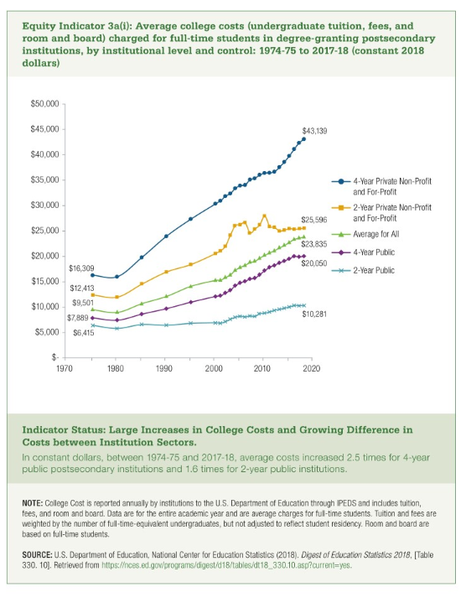

Year | 4-Year Private Non-Profit and For Profit | 2-Year Private Non-Profit and For-Profit | Average for All | 4-Year Public | 2-Year Public
1975 | $16,309 | $12,413 | $9,501 | $7,889 | $6,415
1980 | $16,021 | $11,990 | $8,978 | $7,439 | $5,822
1985 | $19,825 | $14,553 | $10,704 | $8,637 | $6,585
1990 | $24,005 | $16,943 | $12,130 | $9,722 | $6,447
1995 | $27,388 | $18,428 | $14,133 | $11,004 | $6,824
2000 | $30,393 | $20,585 | $15,287 | $12,127 | $6,933
2001 | $30,973 | $21,125 | $15,333 | $12,263 | $6,857
2002 | $31,882 | $22,036 | $15,847 | $12,805 | $7,154
2003 | $32,411 | $24,189 | $16,369 | $13,336 | $7,632
2004 | $33,427 | $26,078 | $17,272 | $14,233 | $8,016
2005 | $33,991 | $26,273 | $17,854 | $14,789 | $8,252
2006 | $34,082 | $26,689 | $18,247 | $15,098 | $8,095
2007 | $35,151 | $24,655 | $18,822 | $15,557 | $8,284
2008 | $35,426 | $25,417 | $19,019 | $15,739 | $8,178
2009 | $36,102 | $26,266 | $19,703 | $16,428 | $8,725
2010 | $36,459 | $28,006 | $20,206 | $17,214 | $8,824
2011 | $36,494 | $25,926 | $20,735 | $17,866 | $9,067
2012 | $36,720 | $25,737 | $21,154 | $18,303 | $9,396
2013 | $37,614 | $25,048 | $21,700 | $18,742 | $9,575
2014 | $38,649 | $25,207 | $22,171 | $19,113 | $9,803
2015 | $39,825 | $25,504 | $22,780 | $19,533 | $10,049
2016 | $41,168 | $25,383 | $23,367 | $19,998 | $10,324
2017 | $42,400 | $25,449 | $23,612 | $19,928 | $10,318
2018 | $43,139 | $25,596 | $23,835 | $20,050 | $10,281

 |  |  |  |  |  | Previous Page | Download Excel (136KB)

