2020 Indicator 2i(i) Chart
 | Very Selective | Moderately Selective | Minimally Selective | Open Admission | 2-Year Institution
Dependent | 16% | 42% | 4% | 7% | 31%
Independent without Dependents | 7% | 27% | 6% | 14% | 47%
Independent with Dependents | 5% | 17% | 7% | 19% | 52%

2020 Indicator 2i(i)data
Equity Indicator 2i(i): Percentage distribution of undergraduate students by institutional selectivity and dependency status: 2016

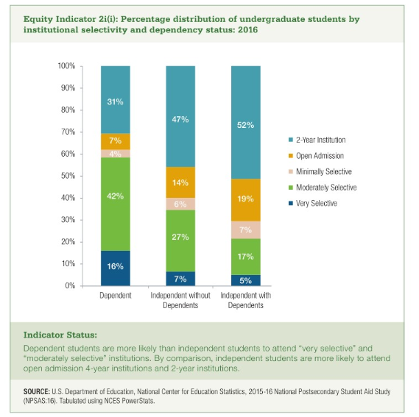
 | Very Selective | Moderately Selective | Minimally Selective | Open Admission | 2-Year Institution
Dependent | 16% | 42% | 4% | 7% | 31%
Independent without Dependents | 7% | 27% | 6% | 14% | 47%
Independent with Dependents | 5% | 17% | 7% | 19% | 52%

