2020 Indicator2h(ii) Chart
 | Private Nonprofit 4-Year | Public 4-Year | Public 2-Year | Private for Profit | Others or Attended More than One School
Pell | 13% | 18% | 37% | 20% | 12%
No Pell | 15% | 21% | 44% | 9% | 11%
Pell | 11% | 34% | 29% | 14% | 12%
No Pell | 11% | 28% | 43% | 7% | 11%
Pell | 15% | 43% | 26% | 5% | 11%
No Pell | 20% | 43% | 24% | 2% | 12%

2020 Indicator2_2h(ii)data
Equity Indicator 2h(ii): Percentage distribution of undergraduate students by level and control of institution attended by dependency and Pell Grant status: 2016

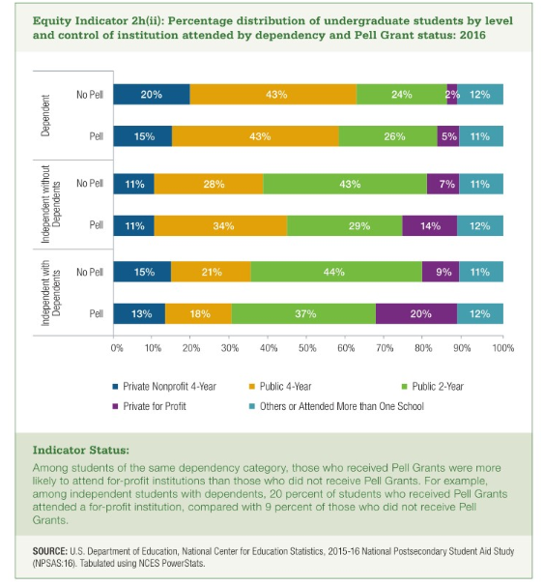
 | Independent with Dependents |  | Independent without Dependents |  | Dependent
 | Pell | No Pell | Pell | No Pell | Pell | No Pell
Private Nonprofit 4-Year | 13% | 15% | 11% | 11% | 15% | 20%
Public 4-Year | 18% | 21% | 34% | 28% | 43% | 43%
Public 2-Year | 37% | 44% | 29% | 43% | 26% | 24%
Private for Profit | 20% | 9% | 14% | 7% | 5% | 2%
Others or Attended More than One School | 12% | 11% | 12% | 11% | 11% | 12%

