2020 Indicator 2h(i) Chart
 | Private Non-Profit 4-Year | Public 4-Year | Public 2-Year | Private For-Profit | Others or Attended More than One School
Dependent | 18% | 43% | 25% | 3% | 11%
Independent without Dependents | 11% | 31% | 37% | 10% | 11%
Independent with Dependents | 14% | 19% | 40% | 16% | 12%

2020 Indicator 2_2h(i)_data
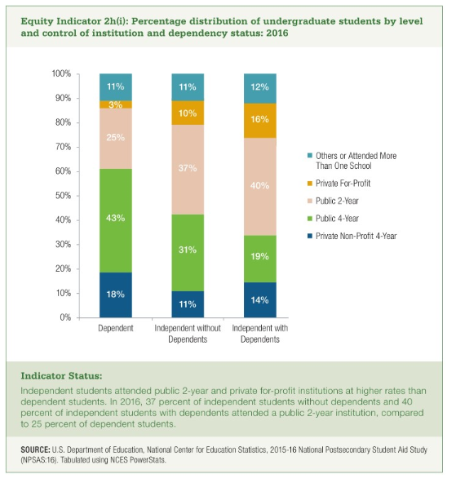
Equity Indicator 2h(i): Percentage distribution of undergraduate students by level and control of institution and dependency status: 2016

 | Private Non-Profit 4-Year | Public 4-Year | Public 2-Year | Private For-Profit | Others or Attended More than One School
Dependent | 18% | 43% | 25% | 3% | 11%
Independent without Dependents | 11% | 31% | 37% | 10% | 11%
Independent with Dependents | 14% | 19% | 40% | 16% | 12%

